Publication Trends
 | PUBLISHED YEAR |  | CITATION COUNTS
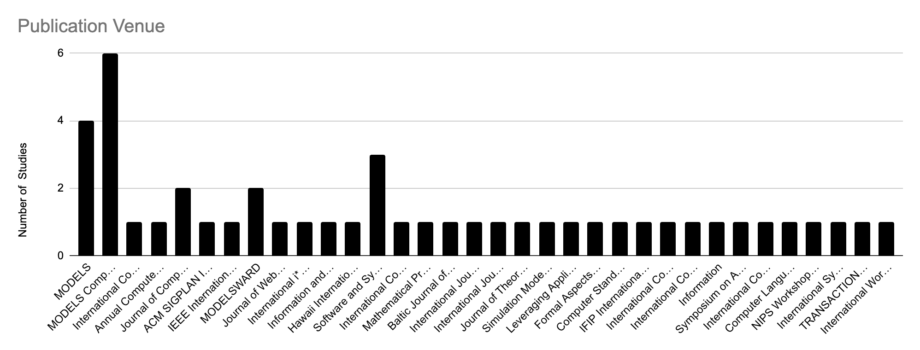
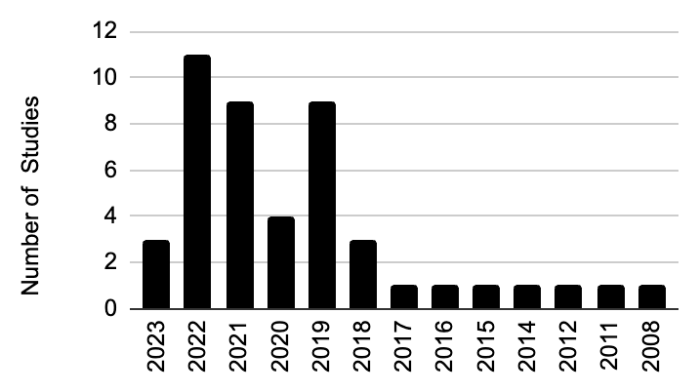
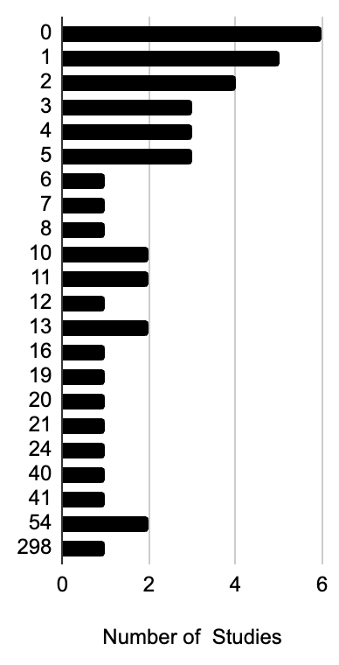

 | Table 1
 | Type of Study | Count
 | Journal | 17
 | Conference | 18
 | Workshop | 9
 | Symposium | 2

TYPE OF STUDY |  |  |  | Table 2
 |  |  |  | Source Type | Count
 |  |  |  | IEEE | 11
 |  |  |  | ACM | 6
 |  |  |  | Springer | 5
 |  |  |  | Science Direct | 2
 |  |  |  | Web of Science | 1
 |  |  |  | Scopus | 7
 |  |  |  | Snowballing | 14

Source Type
 |  |  |  |  | Year | Conference/Symposium | Journal | Workshop | Total
 |  |  |  |  | 2023 | 3 | 0 | 0 | 3
 |  |  |  |  | 2022 | 6 | 1 | 4 | 11
 |  |  |  |  | 2021 | 3 | 3 | 3 | 9
 |  |  |  |  | 2020 | 1 | 3 | 0 | 4
 |  |  |  |  | 2019 | 2 | 7 | 0 | 9
 |  |  |  |  | 2018 | 2 | 1 | 0 | 3
 |  |  |  |  | 2017 | 1 | 0 | 0 | 1
 |  |  |  |  | 2016 | 1 | 0 | 0 | 1
 |  |  |  |  | 2015 | 0 | 1 | 0 | 1
 |  |  |  |  | 2014 | 0 | 0 | 1 | 1
 |  |  |  |  | 2013 | 0 | 0 | 0 | 0
 |  |  |  |  | 2012 | 1 | 0 | 0 | 1
 |  |  |  |  | 2011 | 0 | 1 | 0 | 1
 |  |  |  |  | 2010 | 0 | 0 | 0 | 0
 |  |  |  |  | 2009 | 0 | 0 | 0 | 0
 |  |  |  |  | 2008 | 0 | 0 | 1 | 1

RQ1 Motivations and Goals
 | What is the motivation/goal behind the presented approach? |  |  | What ML techniques does the study target? These can be Deep learning, reinforcement learning etc. |  |  |  |  | What software platform(s) does the study target? |  |  |  | What is the domain of the study?

 |  | Table 3 |  | Table 4 |  |  |  |  | Table 5 (1 to N) |  |  |  | Table 6
 | Goal of study | sub-Goal of Study | Studies | ML Techniques |  | Count | Studies |  | Target platform | Count | Studies |  | Target domain | Count | Studies | domain for chart
 | effort reduction | abstraction | P1, P4, P5, P6, P7, P8, P9, P10, P14, P16, P19, P21, P22, P23, P25, P27, P28, P29, P30, P33, P35, P36, P40, P41, P42, P43, P44, P46 | Generic machine learning |  | 11 | P9, P10, P13, P15, P21, P22, P23, P32, P33, P41, P43 |  | cyber-physical systems | 15 | P1, P3, P5, P8, P9, P11, P12, P13, P19, P20, P22, P23, P31, P33, P45 |  |  |  |  | Autonomous vehicles
 |  | integration | P1, P5, P8, P11, P20, P22 | Unsupervised machine learning |  | 0 | 0 |  | not specified | 5 | P2, P4, P7, P15, P36 |  | satellite communication | 1 | P33 | Autonomous vehicles
 |  | automation | P2, P4, P5, P9, P11, P12, P13, P16, P17, P18, P19, P21, P23, P24, P25, P27, P28, P30, P31, P32, P33, P34, P35, P36, P37, P38, P39, P41, P42, P43, P44, P46 | Supervised machine learning | traditional ML | 7 | P2, P6, P16, P17, P19, P35, P38 |  | web | 6 | P6, P24, P26, P32, P34, P37 |  | autonomous vehicles | 2 | P1, P3 | Big data analytics
 |  | monitoring | P3, P6, P13 |  |  |  |  |  | desktop | 14 | P10, P14, P16, P17, P18, P21, P26, P28, P29, P30, P34, P35, P38, P39 |  | cyber physical systems | 7 | P5, P8, P9, P12, P22, P23, P31 | Big data analytics
 |  | system management | P3, P13 |  | neural networks | 19 | P1, P3, P4, P7, P8, P11, P12, P14, P20, P24, P25, P26, P28, P29, P36, P39, P42, P44, P46 |  | high performance computing | 4 | P41, P42, P44, P46 |  | big data analytics | 5 | P13, P17, P21, P35, P43 | Big data analytics
 |  | data management | P11, P12 |  | traditional & NNs | 5 | P27, P31, P34, P37, P45 |  | distributed systems | 2 | P40, P43 |  | data analytics | 3 | P32, P34, P38 | Big data analytics
 | increased stakeholder understanding | support non-ML experts | P2, P17, P24, P28, P34, P39 | Reinforcement learning |  | 4 | P5, P18, P30, P40 |  | mobile | 1 | P27 |  | manufacturing | 2 | P36, P45 | Big data analytics
 |  | common language | P14, P15, P32, P35, P36 |  |  |  |  |  | wireless communication | 1 | P25 |  | smart homes | 1 | P20 | Cyber physical systems
 | quatity improvement | extensibility | P1, P8, P25, P26 |  |  |  |  |  |  |  |  |  | social bots | 1 | P24 | Cyber physical systems
 |  | responsible ML | P2, P3, P10 |  |  |  |  |  |  |  |  |  | traffic signal control | 1 | P30 | Cyber physical systems
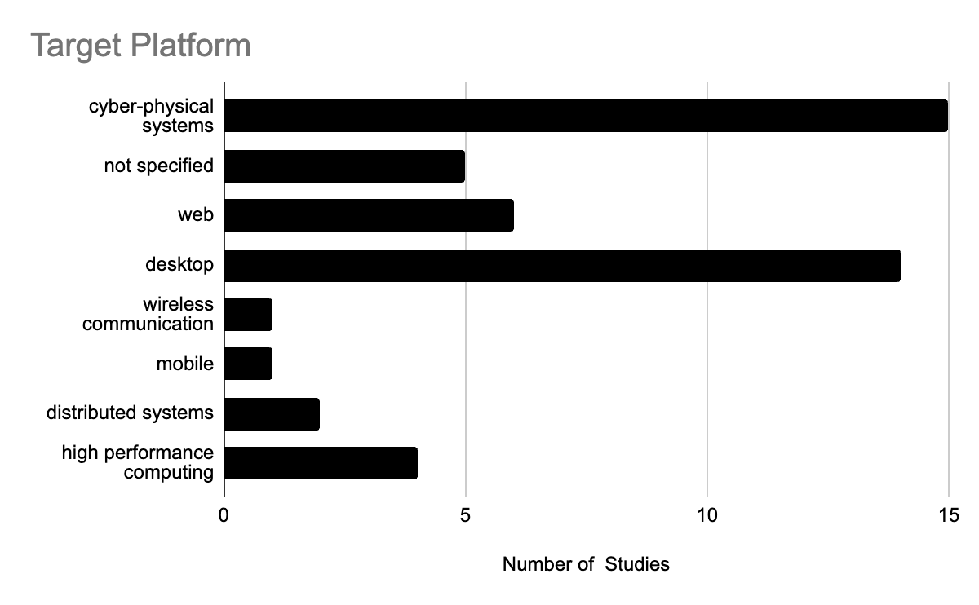
 |  | interoperability | P7, P45 |  |  |  |  |  |  |  |  |  | network planning | 1 | P25 | Cyber physical systems
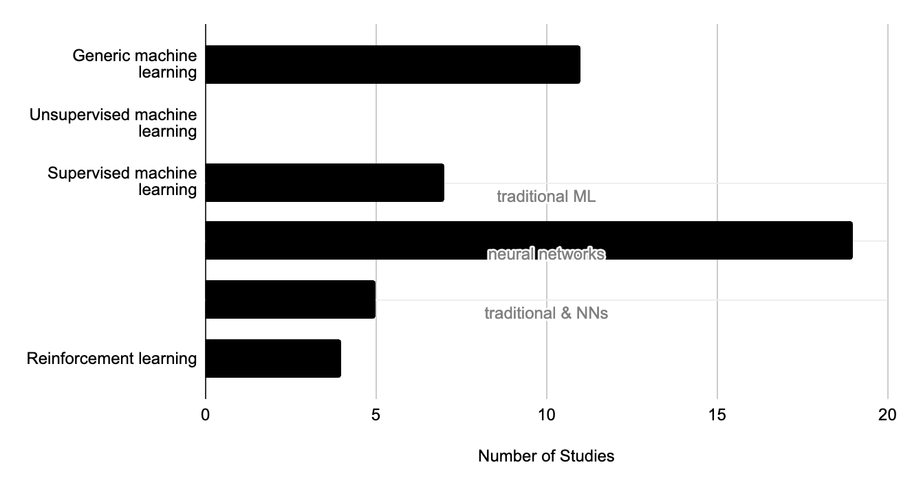
 |  | standardization | P1, P7, P10 |  |  |  |  |  |  |  |  |  | not mentioned | 22 | P2, P4, P6, P7, P10, P11, P14, P15, P16, P18, P19, P26, P27, P28, P29, P37, P39, P40, P41, P42, P44, P46 | Cyber physical systems
 |  | reusability | P8, P19, P23, P25 |  |  |  |  |  |  |  |  |  |  |  |  | Cyber physical systems
 |  | maintenance | P11 |  |  |  |  |  |  |  |  |  |  |  |  | Cyber physical systems
 |  | scalability | P16 |  |  |  |  |  |  |  |  |  |  |  |  | Data analytics
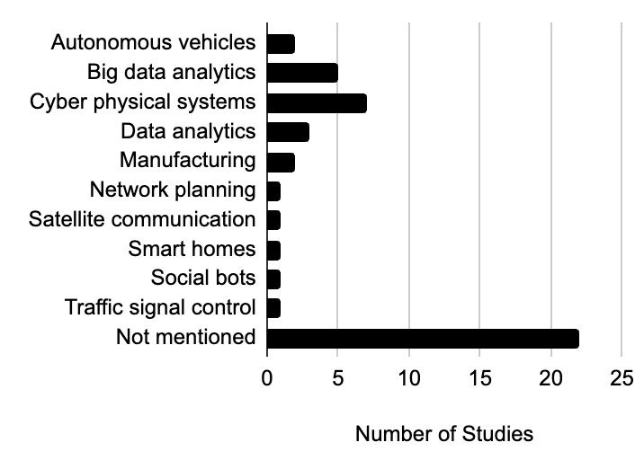
 |  | reliability | P16 |  |  |  |  |  |  |  |  |  |  |  |  | Data analytics
 |  |  |  |  |  |  |  |  |  |  |  |  |  |  |  | Data analytics
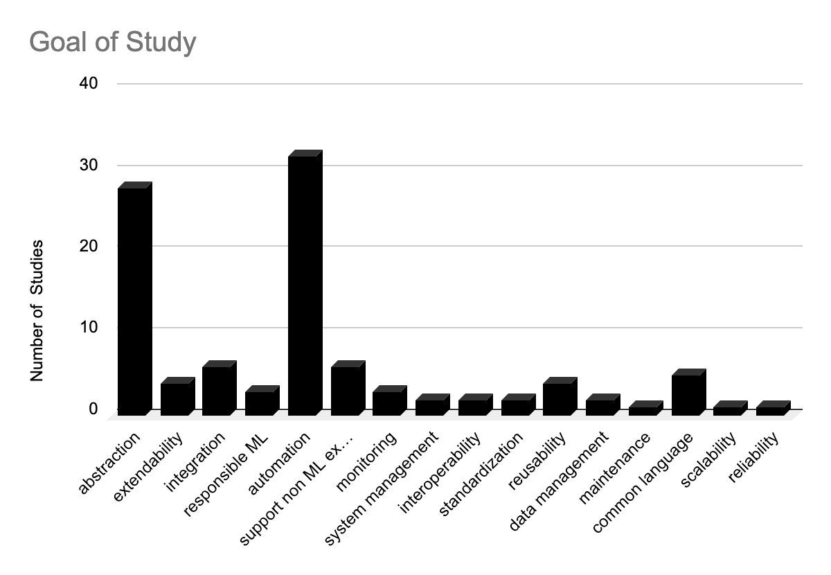
 |  |  |  |  |  |  |  |  |  |  |  |  |  |  |  | Manufacturing
 |  |  |  |  |  |  |  |  |  |  |  |  |  |  |  | Manufacturing
 |  |  |  |  |  |  |  |  |  |  |  |  |  |  |  | Network planning
 |  |  |  |  |  |  |  |  |  |  |  |  |  |  |  | Satellite communication
 |  |  |  |  |  |  |  |  |  |  |  |  |  |  |  | Smart homes
 |  |  |  |  |  |  |  |  |  |  |  |  |  |  |  | Social bots
 |  |  |  |  |  |  |  |  |  |  |  |  |  |  |  | Traffic signal control
 |  |  |  |  |  |  |  |  |  |  |  |  |  |  |  | Not mentioned
 |  |  |  |  |  |  |  |  |  |  |  |  |  |  |  | Not mentioned
 |  |  |  |  |  |  |  |  |  |  |  |  |  |  |  | Not mentioned
 |  |  |  |  |  |  |  |  |  |  |  |  |  |  |  | Not mentioned
 |  |  |  |  |  |  |  |  |  |  |  |  |  |  |  | Not mentioned
 |  |  |  | Venn diagram | Studies | Count |  |  |  |  |  |  |  |  |  | Not mentioned
 |  |  |  | code gen | P2, P5, P7, P8, P9, P11, P12, P13, P14, P16, P17, P19, P20, P22, P23, P24, P27, P28, P30, P31, P32, P34, P37, P38, P39, P43, P44, P45, P46 | 29 |  |  |  |  |  |  |  |  |  | Not mentioned
 |  |  |  | text gen | P6, P10, P15, P21, P26, P36, | 6 |  |  |  |  |  |  |  |  |  | Not mentioned
 |  |  |  | model gen | P18, P29, P33, P40, | 4 |  |  |  |  |  |  |  |  |  | Not mentioned
 |  |  |  | code + model | P1, P4, P25, P41, P42, | 5 |  |  |  |  |  |  |  |  |  | Not mentioned
 |  |  |  | code + text | P35, | 1 |  |  |  |  |  |  |  |  |  | Not mentioned
 |  |  |  | model + text | P3, | 1 |  |  |  |  |  |  |  |  |  | Not mentioned
 |  |  |  |  |  |  |  |  |  |  |  |  |  |  |  | Not mentioned
 |  |  |  |  |  |  |  |  |  |  |  |  |  |  |  | Not mentioned
 |  |  |  |  |  |  |  |  |  |  |  |  |  |  |  | Not mentioned
What are the final outcomes of the study? |  |  |  | Word cloud from Title, motivation and goals |  |  |  | Who are the target users of the approach in the study? |  |  |  |  |  |  |  | Not mentioned
 |  |  |  |  |  |  |  |  |  |  |  |  |  |  |  | Not mentioned
 |  |  |  |  |  |  |  |  |  |  |  |  |  |  |  | Not mentioned
 |  | Table 8 (1 to N) |  |  |  |  |  |  | Table 7 (1 to N) |  |  |  |  |  |  | Not mentioned
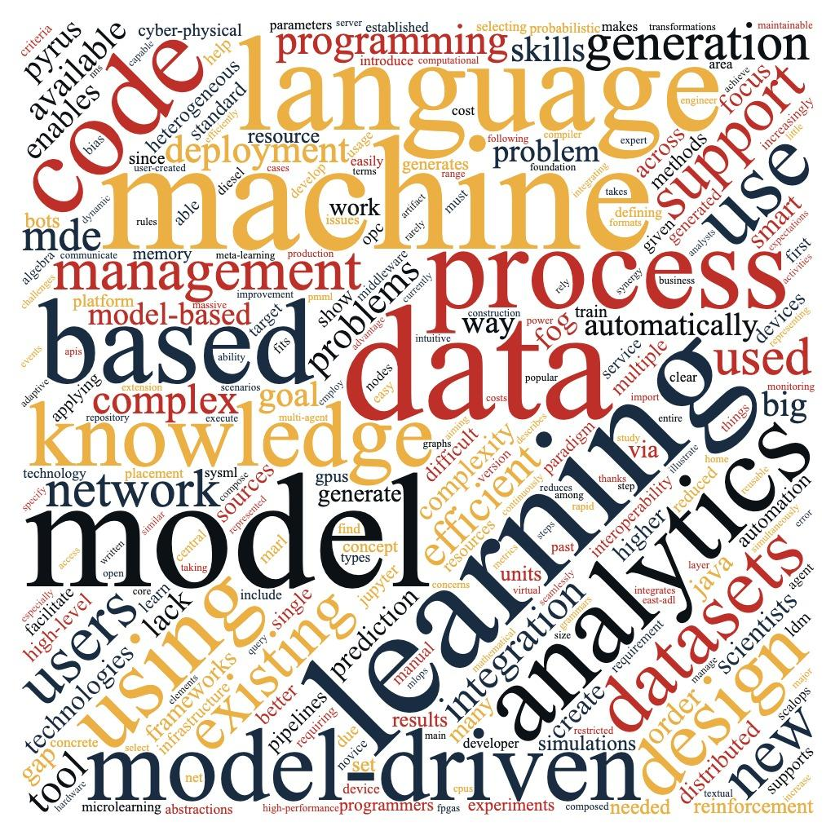
Contribution of Study |  |  | Studies |  |  |  |  | Main end user | Target end user | Count | Studies | Venn diagram | Studies | Count |  | Not mentioned
DSL |  |  | P1, P2, P6, P7, P10, P11, P13, P14, P15, P16, P19, P21, P25, P26, P27, P28, P29, P30, P32, P35, P36, P37, P38, P39, P40, P41, P42, P43, P44, P46 |  |  |  |  | ML expert | ML engineers | 18 | P1, P5, P6, P7, P8, P10, P11, P12, P13, P15, P25, P37, P40, P41, P42, P43, P44, P46 | ML | P5, P6, P7, P8, P10, P12, P15, P16, P18, P34, P37, P38, P40, P41, P42, P43, P44, P46 | 18 |  | Not mentioned
framework |  |  | P1, P3, P5, P7, P8, P12, P13, P18, P19, P23, P24, P25, P26, P27, P29, P31, P34, P36, P37, P38, P44 |  |  |  |  |  | data analysts/engineers/scientists | 13 | P2, P10, P12, P14, P16, P18, P22, P24, P32, P34, P35, P36, P38 | EA | P3, P4, P9, P19, P20, P23, P27, P29, P31, P33, P39, | 11 |  | Not mentioned
Tool | M2T transformer | code generator | P1, P2, P4, P5, P7, P8, P9, P11, P12, P13, P14, P16, P17, P19, P20, P22, P23, P24, P25, P27, P28, P30, P31, P32, P34, P35, P37, P38, P39, P41, P42, P43, P44, P45, P46 |  |  |  |  | engineers and analysts | software engineers | 16 | P1, P2, P3, P4, P9, P11, P13, P19, P20, P22, P23, P27, P28, P29, P30, P39 | DE | P17, P21, P26, P45 | 4
 |  | text generator | P3, P6, P10, P15, P21, P26, P35, P36 |  |  |  |  |  | system engineers | 3 | P9, P31, P33 | ML+EA | P1, P2, P11, P13, P14, P22, | 6
 | M2M transformer | model generator | P1, P3, P4, P18, P25, P29, P33, P40, P41, P42 |  |  |  |  |  | business analysts | 1 | P35 | ML+DE | P24, P25, P32, P36, | 4
modeling language extension |  |  | P5, P17, P22, P33, P45 |  |  |  |  |  | formal methods analysts | 1 | P14 | DE+EA | P28, P30, | 2
model |  |  | P4, P11, P13, P20, P31, P37 |  |  |  |  | domain expert | domain experts | 11 | P17, P21, P24, P25, P26, P28, P30, P32, P35, P36, P45 | ML+EA+DE | P35, | 1
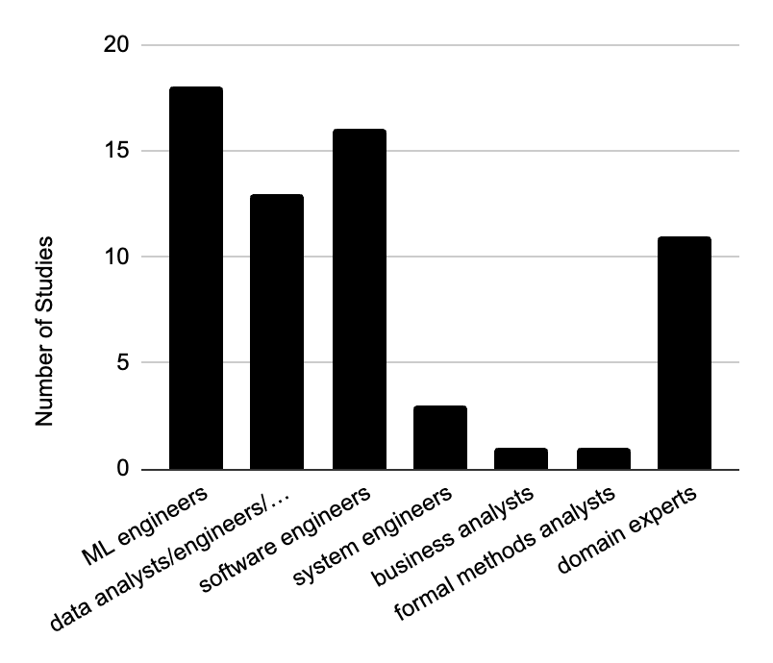
meta-modeling langauge |  |  | P23
OCL constraints |  |  | P27
data synthesizer |  |  | P31, P39, P45
API |  |  | P40
knowledge base |  |  | P15, P16, P20, P34
modeling approach |  |  | P9, P11, P14, P16, P20, P30

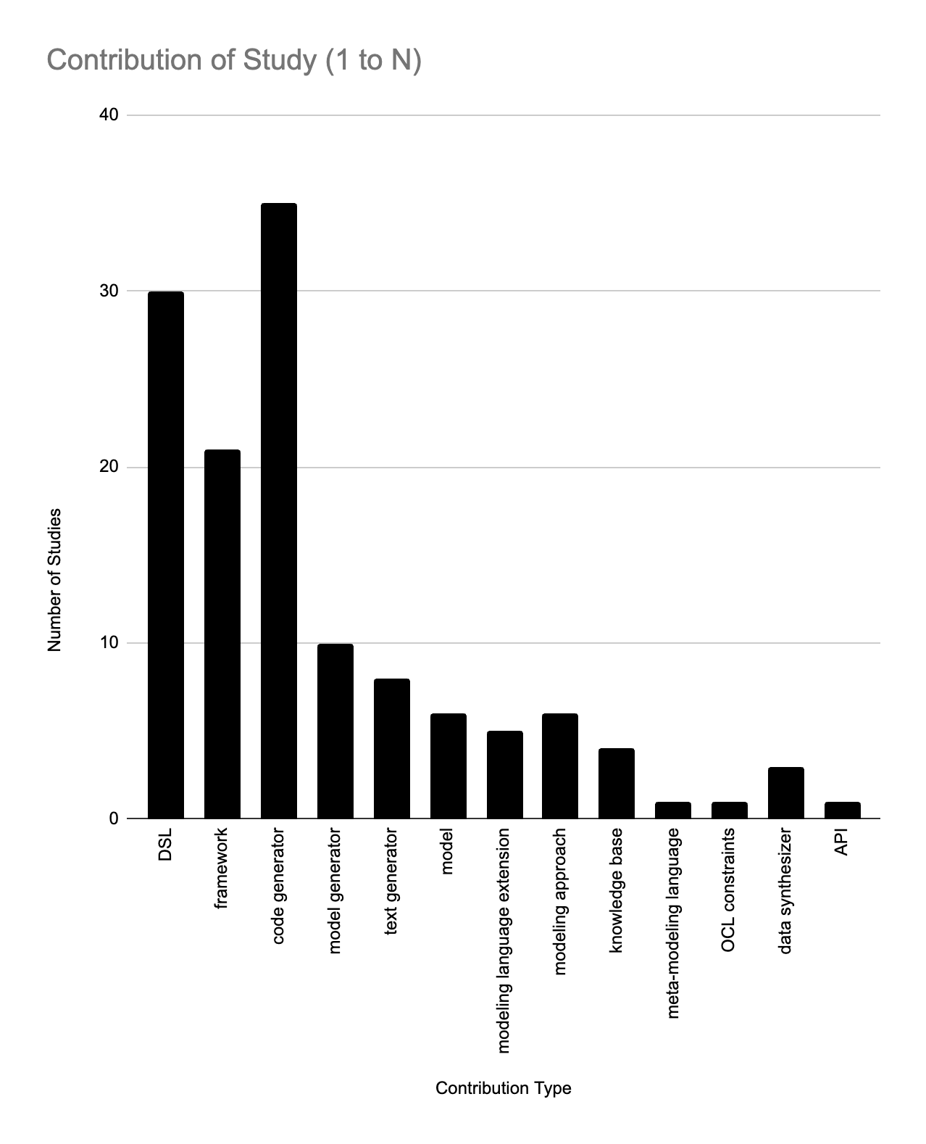

 |  |  |  | Venn Diagram | Counts
 |  |  |  | ER Only | 23 - P4, P5, P6, P9, P12, P13, P18, P20, P21, P22, P27, P29, P30, P31, P33, P37, P38, P40, P41, P42, P43, P44, P46
 |  |  |  | ISU Only | 1 - P15
 |  |  |  | QI Only | 2 - P26, P45
 |  |  |  | ER + ISU | 9 - P14, P17, P24, P28, P32, P34, P35, P36, P39
 |  |  |  | ER + QI | 10 - P1, P3, P7, P8, P10, P11, P16, P19, P23, P25,
 |  |  |  | ISU +QI | 0
 |  |  |  | ER + ISU +QI | 1 - P2,

RQ2 MDE approaches for ML
 | Are the models expressed visually or textually? |  |  |  | What is the automation level supported by the transformations in the study? |  |  |  |  | What are the MDE phases considered in this study? |  |  |  |  | What is the usability of the generated code?

 | Table 9 |  |  |  | Table 10 |  |  |  |  | Table 11 |  |  |  |  | Table 12
 | Model Expression Type | Count | Percentage | Studies | Automation Level | Count | Percentage | Studies |  | MDE Phases Considered | Count | Studies |  |  | Usability of Generated Code | Count | Percentage | Studies
 | Graphical | 23 | 50% | P1, P3, P4, P13, P14, P15, P16, P17, P18, P19, P21, P24, P25, P26, P27, P30, P32, P33, P34, P35, P36, P37, P38 | Fully Automated | 38 | 83% | P1, P2, P4, P5, P6, P7, P8, P9, P10, P12, P13, P14, P15, P16, P17, P18, P20, P22, P23, P24, P25, P27, P28, P29, P30, P31, P32, P33, P34, P35, P36, P37, P40, P41, P42, P43, P44, P46 |  | M2M & M2T | 7 | P1, P3, P4, P9, P25, P41, P42 |  |  | Full | 22 | 48% | P2, P4, P5, P7, P8, P9, P12, P13, P16, P17, P23, P25, P27, P28, P30, P31, P32, P37, P41, P42, P43, P46
 | Texutal | 21 | 46% | P2, P5, P6, P7, P8, P9, P10, P11, P12, P20, P23, P28, P31, P39, P40, P41, P42, P43, P44, P45, P46 | Partially Automated | 8 | 17% | P3, P11, P19, P21, P26, P38, P39, P45 |  | M2T | 35 | P2, P5, P6, P7, P8, P10, P11, P12, P13, P14, P15, P16, P17, P19, P20, P21, P22, P23, P24, P26, P27, P28, P30, P31, P32, P34, P35, P36, P37, P38, P39, P43, P44, P45, P46 |  |  | Partial | 13 | 28% | P1, P3, P11, P14, P19, P20, P21, P22, P24, P35, P36, P39, P45
 | Graphical & Textual | 2 | 4% | P22, P29 |  |  |  |  |  | M2M | 4 | P18, P29, P33, P40 |  |  | N/A | 11 | 24% | P6, P10, P15, P18, P26, P29, P33, P34, P38, P40, P44
Fully Automated | 38
Partially Automated | 8
 |  |  |  |  |  |  |  |  |  |  |  |  | Add venn diagram

 | Does the approach support forward engineering or reverse engineering? |  |  |  | What is the completeness of the generated artifacts? |  |  |  |  |  |  | What is the language of the generated code/text?

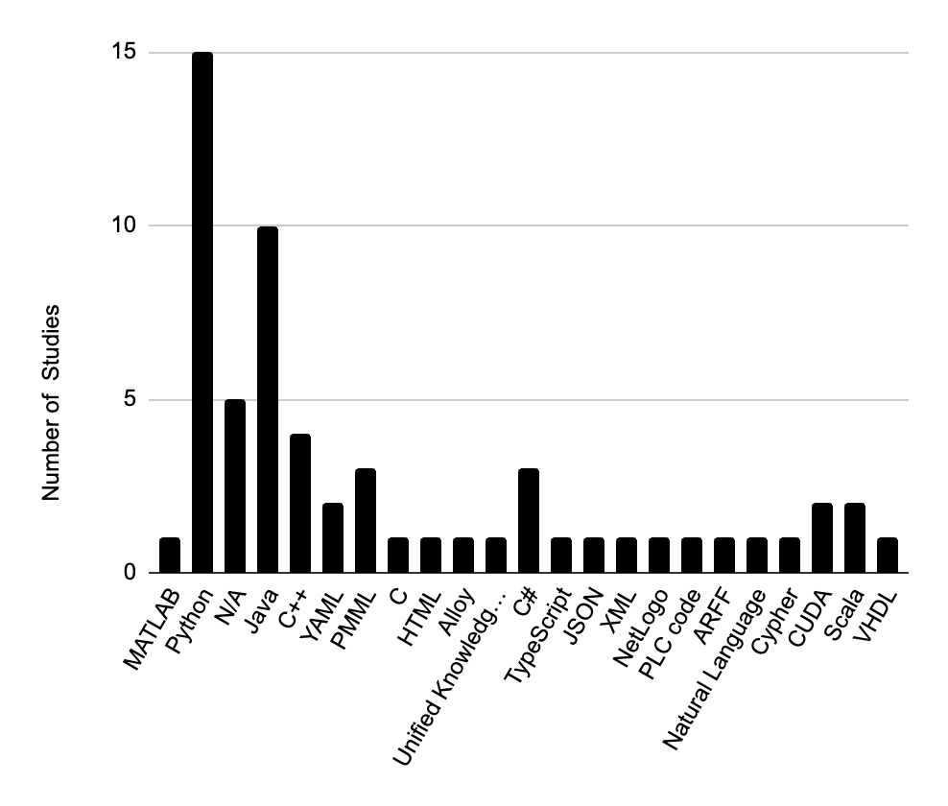
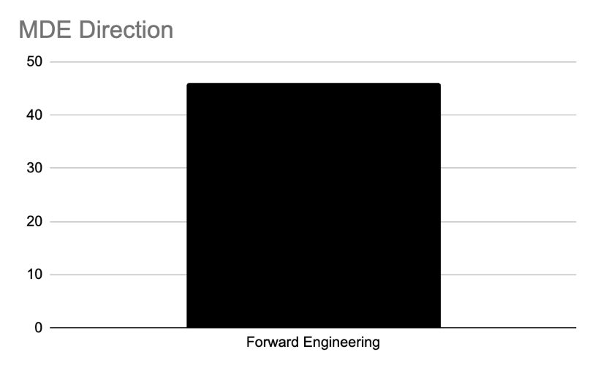
 |  |  |  |  | Table 13 |  |  |  |  |  |  |  |  |  |  | Table 14
 |  |  |  |  | Completeness of generated artifacts | Count | Studies |  |  |  |  |  |  |  |  | Language of Generated Text | Count | Studies
 |  |  |  |  | Partially complete | 11 | P1, P3, P6, P11, P14, P19, P20, P21, P24, P35, P39 |  |  |  |  |  |  |  |  | MATLAB | 1 | P1
 |  |  |  |  | Complete | 35 | P2, P4, P5, P7, P8, P9, P10, P12, P13, P15, P16, P17, P18, P22, P23, P25, P26, P27, P28, P29, P30, P31, P32, P33, P34, P36, P37, P38, P40, P41, P42, P43, P44, P45, P46 |  |  |  |  |  |  |  |  | Python | 15 | P1, P2, P8, P9, P11, P12, P13, P19, P22, P24, P25, P32, P35, P37, P39
 |  |  |  |  |  |  |  |  |  |  |  |  |  |  |  | Java | 10 | P4, P7, P16, P20, P22, P23, P27, P28, P42, P45
 |  |  |  |  |  |  |  |  |  |  |  |  |  |  |  | C++ | 4 | P5, P8, P11, P41
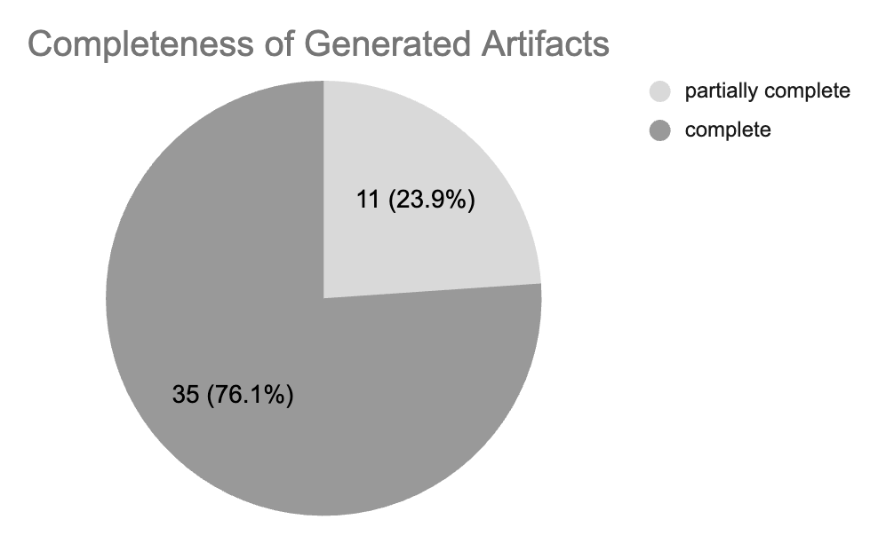
 |  |  |  |  |  |  |  |  |  |  |  |  |  |  |  | C | 1 | P9
 |  |  |  |  |  |  |  |  |  |  |  |  |  |  |  | YAML | 2 | P6, P37
 |  |  |  |  |  |  |  |  |  |  |  |  |  |  |  | PMML | 3 | P7, P36, P45
 |  |  |  |  |  |  |  |  |  |  |  |  |  |  |  | HTML | 1 | P10
 |  |  |  |  |  |  |  |  |  |  |  |  |  |  |  | Alloy | 1 | P14
 |  |  |  |  |  |  |  |  |  |  |  |  |  |  |  | C# | 3 | P17, P21, P28
 |  |  |  |  |  |  |  |  |  |  |  |  |  |  |  | TypeScript | 1 | P23
 |  |  |  |  |  |  |  |  |  |  |  |  |  |  |  | JSON | 1 | P26
 |  | Level | Count |  |  |  |  |  |  |  |  |  |  |  |  | XML | 1 | P27
 |  | CIM | 2 |  |  |  |  |  |  |  |  |  |  |  |  | NetLogo | 1 | P30
 |  | PIM | 35 |  |  |  |  |  |  |  |  |  |  |  |  | PLC code | 1 | P31
 |  | PSM | 2 |  |  |  |  |  |  |  |  |  |  |  |  | ARFF | 1 | P34
 |  | PIM,PSM | 6 |  |  |  |  |  |  |  |  |  |  |  |  | Natural Language | 1 | P35
 |  | CIM,PIM,PSM | 1 |  |  |  |  |  |  |  |  |  |  |  |  | Cypher | 1 | P38
 |  |  |  |  |  |  |  |  |  |  |  |  |  |  |  | CUDA | 2 | P41, P46
 |  |  |  |  |  |  |  |  |  |  |  |  |  |  |  | Scala | 2 | P41, P43
 |  |  |  |  |  |  |  |  |  |  |  |  |  |  |  | VHDL | 1 | P44
 |  |  |  |  |  |  |  |  |  |  |  |  |  |  |  | Unified Knowledge store definition | 1 | P15
 |  |  |  |  |  |  |  |  |  |  |  |  |  |  |  | N/A | 5 | P3, P18, P29, P33, P40

 | Does the MDE approach in the study consider responsible AI characteristics? |  |  |  | Does the approach consider human aspects? |  |  |  |  |  |  | What are the artifacts generated by the approach?

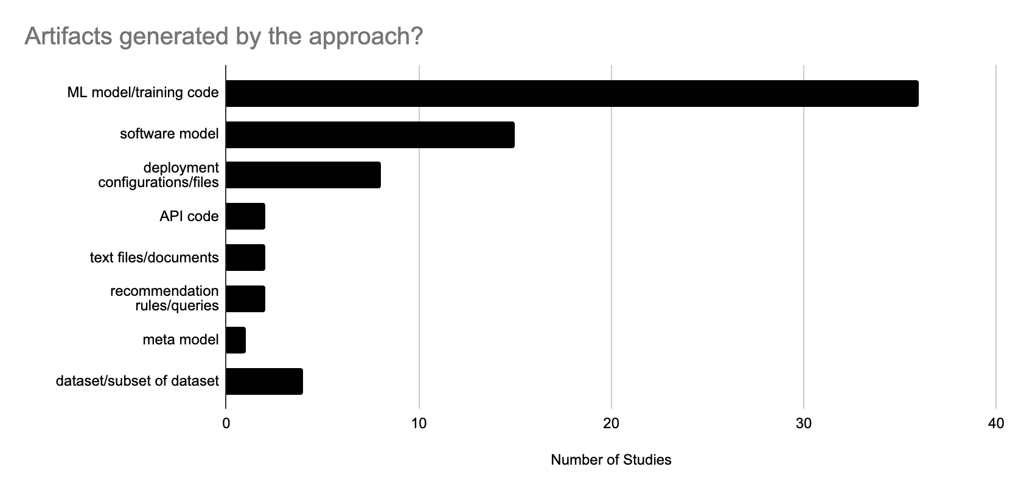
 | Table 15 (1 to N) |  |  |  | Table 16
 | Responsible AI characteristsics | Count | Studies |  | Are Human aspects modeled? | Count | Studies |  |  |  |  |  |  |  |  |  | Table 17 (1 to N)
 | Fairness | 4 | P2, P7, P10, P31 |  | Yes | 5 | P2, P3, P10, P27, P35 |  |  |  |  |  |  |  |  |  | Artifact | Studies | Count
 | Trust | 1 | P3 |  | No | 41 | P1, P4, P5, P6, P7, P8, P9, P11, P12, P13, P14, P15, P16, P17, P18, P19, P20, P21, P22, P23, P24, P25, P26, P28, P29, P30, P31, P32, P33, P34, P36, P37, P38, P39, P40, P41, P42, P43, P44, P45, P46 |  |  |  |  |  |  |  |  |  | API code | P4, P8 | 2
 | Explainability | 2 | P33, P45 |  |  |  |  |  |  |  |  |  |  |  |  |  | dataset/subset of dataset | P31, P36, P39, P45 | 4
 | Other | 2 | P10, P33 |  |  |  |  |  |  |  |  |  |  |  |  |  | deployment configurations/files | P3, P6, P13, P16, P26, P31, P34, P37 | 8
 | None | 39 | P1, P4, P5, P6, P8, P9, P11, P12, P13, P14, P15, P16, P17, P18, P19, P20, P21, P22, P23, P24, P25, P26, P27, P28, P29, P30, P32, P34, P35, P36, P37, P38, P39, P40, P41, P42, P43, P44, P46 |  |  |  |  |  |  |  |  |  |  |  |  |  | meta-model | P26 | 1
Responsible AI Characteristics in studies (1 to N)
 |  |  |  |  |  |  |  |  |  |  |  |  |  |  |  |  | ML model/training code | P1, P2, P3, P5, P7, P8, P9, P11, P12, P13, P14, P16, P17, P19, P20, P21, P22, P23, P24, P25, P27, P28, P30, P31, P32, P35, P36, P37, P38, P39, P41, P42, P43, P44, P45, P46 | 36
 |  |  |  |  | Are Human/Responsible ML aspects modeled? | Count | Studies |  |  |  |  |  |  |  |  |  | recommendation rules/ queries | P15, P38 | 2
 |  |  |  |  | Yes | 9 | P2, P3, P7, P10, P27, P31, P33, P35, P45 |  |  |  |  |  |  |  |  |  | software model | P1, P4, P6, P7, P9, P14, P18, P20, P25, P28, P29, P33, P40, P41, P42 | 15
 |  |  |  |  | No | 37 | P1, P4, P5, P6, P8, P9, P11, P12, P13, P14, P15, P16, P17, P18, P19, P20, P21, P22, P23, P24, P25, P26, P28, P29, P30, P32, P34, P36, P37, P38, P39, P40, P41, P42, P43, P44, P46 |  |  |  |  |  |  |  |  |  | text files/documents | P10, P35 | 2

 | What aspects of ML component development does the study support? |  |  |  |  |  |  | Is the modeling language in the study new, old or an extension? |  |  |  | What aspects of ML component development does the study support and what are the domain models used? |  |  |  |  | Does the study propose a new modeling language, an extension or use an existing one? What are the type of models created in the study?

 | Table 18 (1 to N) |  |  |  |  |  |  | Table 19 |  |  |  | Table 20 (1 to N) |  |  |  |  | Table 21
 | ML aspects | No. of Studies |  |  |  |  |  | Modeling language new, old or extended? | Studies |  |  | ML aspects | Domain models | Studies |  |  | Paper ID | What are the domain models used in the study? | Modeling language new, old or extended? | Type of Model
 | Requirements Engineering | 5 |  |  |  |  |  | New DSL | P1, P2, P6, P7, P8, P10, P11, P12, P13, P14, P15, P16, P19, P21, P23, P25, P26, P27, P28, P29, P30, P32, P34, P35, P36, P37, P38, P39, P40, P41, P42, P43, P44, P46 |  |  | Requirements specification/ analysis | Learning Enabled Component Goal Structuring Notation (LEC GSN) models | P3 |  |  | P1 | Model-Driven Deep learning Framework (MoDLF) model | new DSL | design model
 | Data generation | 2 |  |  |  |  |  | Extension of existing DSL | P5, P22, P33 |  |  |  | Learning Enabled Component Keep All Objectives Satisfied (LEC KAOS) models | P3 |  |  | P2 | Fair Machine Learning (FairML) model | new DSL | design model
 | Data preprocessing | 3 |  |  |  |  |  | existing generic modeling language | P3, P4, P9, P17, P18, P20, P24, P31, P45 |  |  |  | Dataset requirements concept model (DRCM) | P14 |  |  | P3 | Learning Enabled Component Keep All Objectives Satisfied (LEC KAOS) models | existing modeling language KAOS | requirements model
 | Data Storage | 1 |  |  |  |  |  |  |  |  |  |  | Restricted Natural Language Requirement (RNLReq) model | P33 |  |  | P3 | Learning Enabled Component Goal Structuring Notation (LEC GSN) models | existing modeling language GSN | requirements model
 | Data Visualisation | 1 |  |  |  |  |  |  |  |  |  |  | Big Data Analytics Modeling Language (BiDaML) model | P35 |  |  | P4 | Deeplearning4J feature model | existing modeling language Feature Modeling Language | feature model
 | Design & development | 28 |  |  |  |  |  | Modeling language new, old or extended? | Count |  |  |  | Software Engineering Methodology for the Knowledge management of Intelligent Systems (SEMKIS-DSL) model | P39 |  |  | P4 | Deeplearning4J feature realization model | existing modeling language UML | design model
 | Training | 22 |  |  |  |  |  | New DSL | 34 |  |  | Data generation | Software Engineering Methodology for the Knowledge management of Intelligent Systems (SEMKIS-DSL) model | P39 |  |  | P5 | MontiAnna models | extension of existing DSL MoniAnna | design model
 | Evaluation | 7 |  |  |  |  |  | Language Extension | 3 |  |  |  | Neural Network domain model | P45 |  |  | P6 | Machine Learning Behavior Monitoring model | new DSL | design model
 | Integration | 4 |  |  |  |  |  | GPL | 9 |  |  |  | Regression domain model | P45 |  |  | P7 | Neural Network Design model | new DSL | design model
 | Deployment | 10 |  |  |  |  |  |  |  |  |  | Data preperation | Fair Machine Learning (FairML) model | P2 |  |  | P8 | MontiAnna models | new DSL | design models, dataset model
New DSL | 34
Language Extension | 3
GPL | 9
 | Inference | 7 |  |  |  |  |  |  |  |  |  |  | Stratum model | P13 |  |  | P9 | Machine Learning Modeling Language (ML-Quadrant) model | existing modeling language ML-Quadrant | design model
 | Monitoring | 2 |  |  |  |  |  |  |  |  |  |  | Dataset requirements concept model (DRCM) | P14 |  |  | P9 | IoT sensors model | existing modeling language UML | design model
 | Management | 6 |  |  |  |  |  |  |  |  |  | Data Storage | Stratum model | P13 |  |  | P9 | IoT predictive maintenance model | existing modeling language UML | design model
 | Documentation | 1 |  |  |  |  |  |  |  |  |  | Data Visualisation | Deep Learning Lifecycle Data Management (LDM) model | P26 |  |  | P10 | Describe Machine Learning Datasets (DescribeML) model | new DSL | dataset model
 | Pipeline development | 4 |  |  |  |  |  |  |  |  |  | Model design and development | Model-Driven Deep learning Framework (MoDLF) model | P1 |  |  | P11 | MontiAnna models | new DSL | artifact model, design model
 | ML knowledge base | 3 |  |  |  |  |  |  |  |  |  |  | MontiAnna models | P5, P8, P11, P12 |  |  | P12 | MontiAnna models | new DSL | design models, dataset model
 |  |  |  |  |  |  |  |  |  |  |  |  | Neural Network Design model | P7 |  |  | P13 | Stratum model | new DSL | design models
 |  |  |  |  |  |  |  |  |  |  |  |  | Machine Learning Modeling Language (ML-Quadrant) model | P9, P22 |  |  | P14 | Dataset requirements concept model (DRCM) | new DSL | requirements model
 |  |  |  |  |  |  |  |  |  |  |  |  | Stratum model | P13 |  |  | P15 | Machine Learning Knowledge (MLKnowledge) model | new DSL | design model
 |  |  |  |  |  |  |  |  |  |  |  |  | Machine Learning Application Placement model | P19 |  |  | P16 | Machine Learning Pipeline and Portfolio model | new DSL | design model
 |  |  |  |  |  |  |  |  |  |  |  |  | Micro Learning and Domain model | P23 |  |  | P17 | Machine Learning Inference model | existing modeling language UML | design model
 |  |  |  |  |  |  |  |  |  |  |  |  | Social Bot model | P24 |  |  | P18 | Action and Decision Goal model | existing modeling language iStar | requirements model
Paper ID? | What language(s) is the code and/or text generated in? |  |  |  |  |  |  | What type of models are used in the study? |  |  |  |  | Prediction problem (PP) model | P25 |  |  | P19 | Machine Learning Application Placement model | new DSL | design model
P14 | Alloy |  |  |  |  |  |  |  |  |  |  |  | Meta Model Machine Learning for Ubiquitous Application (3ML4UA) model | P27 |  |  | P20 | Smart Home Entity Model | existing modeling language Reference Attribute Grammars | entity model
P34 | ARFF |  |  |  |  |  |  |  |  |  |  |  | AiDSL model | P28 |  |  | P21 | Probabilistic Graphical model for Big Data Analytics | new DSL | probabilistic graphical model
P9 | C |  |  |  |  |  |  | Table 22 |  |  |  |  | Generic Artificial Neural Network model | P29 |  |  | P22 | Machine Learning Modeling Language (ML-Quadrant) model | extension of existing DSL ThingML | design models
P17 | C# |  |  |  |  |  |  | Model Type | Studies |  |  |  | Agent-based Modeling and Simulation (DSL4ABMS) model | P30 |  |  | P23 | Micro Learning and Domain model | new DSL | design model
P21 | C# |  |  |  |  |  |  | requirements model | P3, P14, P18, P33, P35, P39 |  |  |  | Subset of SysML (subSysML) model | P33 |  |  | P24 | Social Bot model | existing modeling language SyncMeta | design model
P28 | C# |  |  |  |  |  |  | design model | P1, P2, P4, P5, P7, P8, P9, P11, P12, P13, P15, P16, P19, P22, P23, P24, P25, P26, P27, P28, P29, P30, P31, P33, P34, P35, P36, P37, P38, P39, P40, P41, P42, P43, P44, P45, P46 |  |  |  | Big Data Analytics Modeling Language (BiDaML) model | P35 |  |  | P25 | Prediction problem (PP) model | new DSL | analysis model, design model
P5 | C++ |  |  |  |  |  |  | process model | P32, P35 |  |  |  | Neural Network for Manufacturing model | P36 |  |  | P26 | Deep Learning Lifecycle Data Management (LDM) model | new DSL | design models
P8 | C++ |  |  |  |  |  |  | feature model | P4 |  |  |  | Machine Learning Operations (MLOps) model | P37 |  |  | P27 | Meta Model Machine Learning for Ubiquitous Application (3ML4UA) model | new DSL | design models
P11 | C++ |  |  |  |  |  |  | entity model | P20 |  |  |  | Base Station Anomaly and Classification Problem model | P38 |  |  | P28 | AiDSL model | new DSL | design model
P41 | C++ |  |  |  |  |  |  | dataset model | P8, P10, P12, P38, P39 |  |  |  | Software Engineering Methodology for the Knowledge management of Intelligent Systems (SEMKIS-DSL) model | P39 |  |  | P29 | Generic Artificial Neural Network model | new DSL | design model
P41 | CUDA |  |  |  |  |  |  | artifact model | P11, P35 |  |  |  | Marlon model | P40 |  |  | P30 | Agent-based Modeling and Simulation (DSL4ABMS) model | new DSL | design model
P46 | CUDA |  |  |  |  |  |  | probabilistic graphical model | P17, P21 |  |  |  | OptiML model | P41 |  |  | P31 | Neural Network model | existing modeling language JSON | design model
P38 | Cypher |  |  |  |  |  |  |  |  |  |  |  | DeepDSL model | P42 |  |  | P32 | Dataflow-driven Process model | new DSL | process model
P10 | HTML |  |  |  |  |  |  |  |  |  |  |  | StreamBrain model | P44 |  |  | P33 | Subset of SysML (subSysML) model | extension of existing DSL SysML | design models
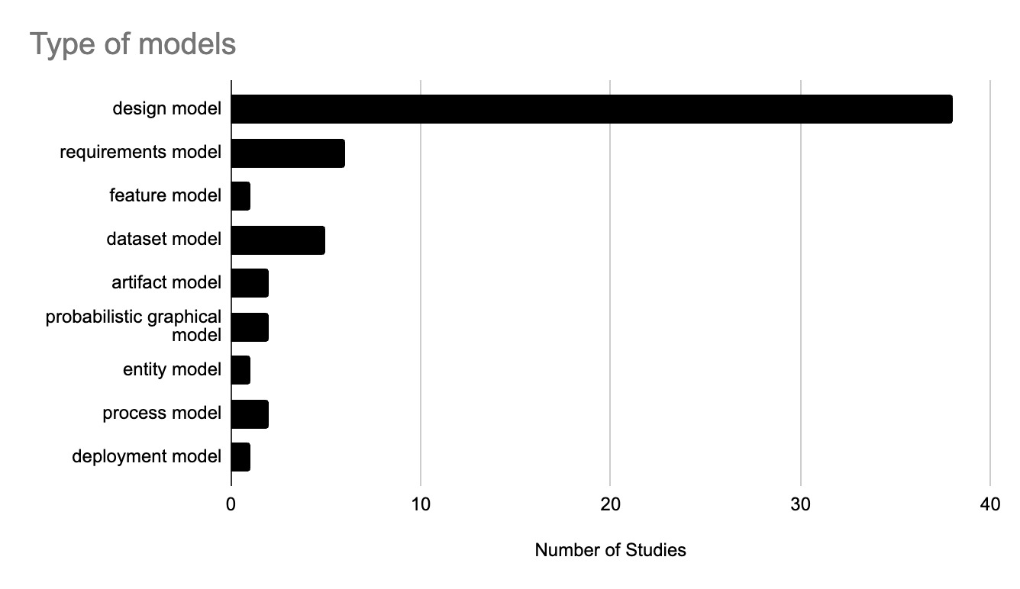
P4 | Java |  |  |  |  |  |  |  |  |  |  |  | Neural Network domain model | P45 |  |  | P33 | Restricted Natural Language Requirement (RNLReq) model | new DSL | requirements model
P7 | Java |  |  |  |  |  |  |  |  |  |  |  | Regression domain model | P45 |  |  | P34 | Data mining knowledge base (DMKB) model | new DSL | design model
P16 | Java |  |  |  |  |  |  |  |  |  |  | Model inference | Learning Enabled Component Goal Structuring Notation (LEC GSN) models | P3 |  |  | P35 | Big Data Analytics Modeling Language (BiDaML) model | new DSL | requirments model, process model, design model, artifact model
P20 | Java |  |  |  |  |  |  |  |  |  |  |  | Learning Enabled Component Keep All Objectives Satisfied (LEC KAOS) models | P3
P22 | Java |  |  |  |  |  |  |  |  |  |  |  | Machine Learning Behavior Monitoring model | P6 |  |  | P36 | Neural Network for Manufacturing model | new DSL | design model
P23 | Java |  |  |  |  |  |  |  |  |  |  |  | Machine Learning Inference model | P17 |  |  | P37 | Machine Learning Operations (MLOps) model | new DSL | design model
P27 | Java |  |  |  |  |  |  |  |  |  |  |  | Probabilistic Graphical model for Big Data Analytics | P21 |  |  | P38 | Base Station Anomaly and Classification Problem model | new DSL | design model, dataset model
P28 | Java |  |  |  |  |  |  |  |  |  |  |  | DeepDSL model | P42 |  |  | P39 | Software Engineering Methodology for the Knowledge management of Intelligent Systems (SEMKIS-DSL) model | new DSL | requirements models, dataset model, design model
P42 | Java |  |  |  |  |  |  |  |  |  |  |  | StreamBrain model | P44 |  |  | P40 | Marlon model | new DSL built on Elixir | design model
P45 | Java |  |  |  |  |  |  |  |  |  |  |  | Diesel model | P46 |  |  | P41 | OptiML model | new DSL built on Delite | design model
P26 | JSON |  |  |  |  |  |  |  |  |  |  | Model training | Model-Driven Deep learning Framework (MoDLF) model | P1 |  |  | P42 | DeepDSL model | new DSL built on Scala | design model
P1 | MATLAB |  |  |  |  |  |  | What is the usability of the approach presented in the study? |  |  |  |  | Fair Machine Learning (FairML) model | P2 |  |  | P43 | ScalOps model | new DSL built on Scala | design model
P35 | Natural Language |  |  |  |  |  |  |  |  |  |  |  | MontiAnna models | P5, P8, P11, P12 |  |  | P44 | StreamBrain model | new DSL built on Python | design model
P30 | NetLogo |  |  |  |  |  |  |  |  |  |  |  | Neural Network Design model | P7 |  |  | P45 | Neural Network domain model | existing modeling language PMML | design model
P31 | PLC code |  |  |  |  |  |  | Table X |  |  |  |  | Machine Learning Modeling Language (ML-Quadrant) model | P9, P22 |  |  | P45 | Regression domain model | existing modeling language PMML | design model
P7 | PMML |  |  |  |  |  |  | Practically Usable | Studies |  |  |  | Action and Decision Goal model | P18 |  |  | P46 | Diesel model | new DSL | design model
P36 | PMML |  |  |  |  |  |  | Yes | P1, P2, P3, P4, P7, P9, P10, P11, P12, P13, P14, P15, P19, P23, P24, P25, P27, P30, P31, P33, P34, P35, P36, P37, P38, P39, P40, P41, P42, P44, P45, P46 |  |  |  | Prediction problem (PP) model | P25
P45 | PMML |  |  |  |  |  |  | Can't say | P5, P6, P8, P16, P17, P18, P20, P21, P22, P26, P28, P29, P32, P43 |  |  |  | Meta Model Machine Learning for Ubiquitous Application (3ML4UA) model | P27
P1 | Python |  |  |  |  |  |  |  |  |  |  |  | AiDSL model | P28
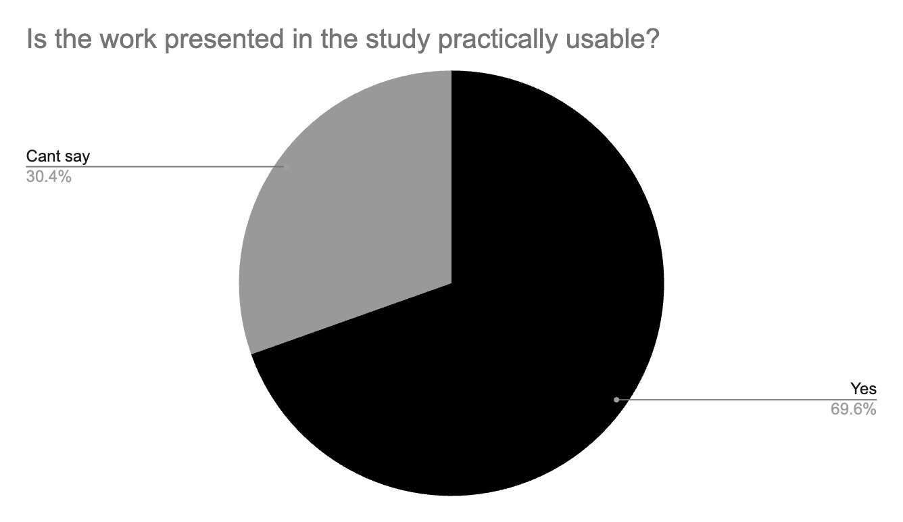
P2 | Python |  |  |  |  |  |  |  |  |  |  |  | Big Data Analytics Modeling Language (BiDaML) model | P35
P8 | Python |  |  |  |  |  |  |  |  |  |  |  | Neural Network for Manufacturing model | P36
P9 | Python |  |  |  |  |  |  |  |  |  |  |  | Machine Learning Operations (MLOps) model | P37
P11 | Python |  |  |  |  |  |  |  |  |  |  |  | Base Station Anomaly and Classification Problem model | P38
P12 | Python |  |  |  |  |  |  |  |  |  |  |  | Software Engineering Methodology for the Knowledge management of Intelligent Systems (SEMKIS-DSL) model | P39
P13 | Python |  |  |  |  |  |  |  |  |  |  |  | DeepDSL model | P42
P19 | Python |  |  |  |  |  |  |  |  |  |  |  | StreamBrain model | P44
P22 | Python |  |  |  |  |  |  |  |  |  |  |  | Neural Network domain model | P45
P24 | Python |  |  |  |  |  |  |  |  |  |  |  | Regression domain model | P45
P25 | Python |  |  |  |  |  |  |  |  |  |  |  | Diesel model | P46
P32 | Python |  |  |  |  |  |  |  |  |  |  | Model evaluation | Model-Driven Deep learning Framework (MoDLF) model | P1
P35 | Python |  |  |  |  |  |  |  |  |  |  |  | Learning Enabled Component Goal Structuring Notation (LEC GSN) models | P3
P37 | Python |  |  |  |  |  |  |  |  |  |  |  | Learning Enabled Component Keep All Objectives Satisfied (LEC KAOS) models | P3
P39 | Python |  |  |  |  |  |  |  |  |  |  |  | Stratum model | P13
P41 | Scala |  |  |  |  |  |  |  |  |  |  |  | Prediction problem (PP) model | P25
P43 | Scala |  |  |  |  |  |  |  |  |  |  |  | Meta Model Machine Learning for Ubiquitous Application (3ML4UA) model | P27
P23 | TypeScript |  |  |  |  |  |  |  |  |  |  |  | Software Engineering Methodology for the Knowledge management of Intelligent Systems (SEMKIS-DSL) model | P39
P15 | UKS (new lang) |  |  |  |  |  |  |  |  |  |  | Integration | Smart Home Entity Model | P20
P44 | VHDL |  |  |  |  |  |  |  |  |  |  |  | Micro Learning and Domain model | P23
P27 | XML |  |  |  |  |  |  |  |  |  |  |  | Neural Network model | P31
P6 | YAML |  |  |  |  |  |  |  |  |  |  |  | Subset of SysML (subSysML) model | P33
P37 | YAML |  |  |  |  |  |  |  |  |  |  | Model deployment | Machine Learning Behavior Monitoring model | P6
P3 | N/A |  |  |  |  |  |  |  |  |  |  |  | Neural Network Design model | P7
P18 | N/A |  |  |  |  |  |  |  |  |  |  |  | Machine Learning Modeling Language (ML-Quadrant) model | P9, P22
P29 | N/A |  |  |  |  |  |  |  |  |  |  |  | MontiAnna models | P11, P12
P33 | N/A |  |  |  |  |  |  |  |  |  |  |  | Stratum model | P13
P40 | N/A |  |  |  |  |  |  |  |  |  |  |  | Neural Network model | P31
 |  |  |  |  |  |  |  |  |  |  |  |  | Big Data Analytics Modeling Language (BiDaML) model | P35
 |  |  |  |  |  |  |  |  |  |  |  |  | Machine Learning Operations (MLOps) model | P37
 |  |  |  |  |  |  |  |  |  |  |  | Run-time Monitoring of ML model | Learning Enabled Component Goal Structuring Notation (LEC GSN) models | P3
 |  |  |  |  |  |  |  |  |  |  |  |  | Learning Enabled Component Keep All Objectives Satisfied (LEC KAOS) models | P3
 |  |  |  |  |  |  |  |  |  |  |  |  | Machine Learning Behavior Monitoring model | P6
 |  |  |  |  |  |  |  |  |  |  |  | Management | Learning Enabled Component Keep All Objectives Satisfied (LEC KAOS) models | P3
 |  |  |  |  |  |  |  |  |  |  |  |  | Learning Enabled Component Goal Structuring Notation (LEC GSN) models | P3
 |  |  |  |  |  |  |  |  |  |  |  |  | MontiAnna models | P11, P12
 |  |  |  |  |  |  |  |  |  |  |  |  | Stratum model | P13
 |  |  |  |  |  |  |  |  |  |  |  |  | Deep Learning Lifecycle Data Management (LDM) model | P26
 |  |  |  |  |  |  |  |  |  |  |  |  | Neural Network model | P31
 |  |  |  |  |  |  |  |  |  |  |  | Documentation | Describe Machine Learning Datasets (DescribeML) model | P10
 |  |  |  |  |  |  |  |  |  |  |  | ML pipeline development | Deeplearning4J feature model | P4
 |  |  |  |  |  |  |  |  |  |  |  |  | Deeplearning4J feature realization model | P4
 |  |  |  |  |  |  |  |  |  |  |  |  | Machine Learning Pipeline and Portfolio model | P16
 |  |  |  |  |  |  |  |  |  |  |  |  | Dataflow-driven Process model | P32
 |  |  |  |  |  |  |  |  |  |  |  |  | ScalOps model | P43
 |  |  |  |  |  |  |  |  |  |  |  | ML knowledge base development | Machine Learning Knowledge (MLKnowledge) model | P15
 |  |  |  |  |  |  |  |  |  |  |  |  | Machine Learning Pipeline and Portfolio model | P16
 |  |  |  |  |  |  |  |  |  |  |  |  | Data mining knowledge base (DMKB) model | P34

RQ3 Evaluation & Tools
How is the study evaluated? |  |  |  |  | Target area of study? |  |  |  |  | Do the studies provide any tools? |  |  |  |  |  | Is the data for the tools available e.g. configurations, setup files etc?

Table 24 |  |  |  |  | Table 25 |  |  |  |  | Table 26 |  |  |  |  |  | Table 27
Evaluation Technique | Count | Studies |  |  | Target area of study | Count | Studies |  |  | Tools | Count | Studies |  |  |  | Tool Availability /Data for tool | Available | Not available | N/A
Case study | 23 | P1, P2, P3, P9, P11, P12, P13, P14, P15, P17, P19, P20, P22, P23, P27, P29, P30, P33, P35, P36, P39, P40, P45 |  |  | Academia | 41 | P1, P2, P3, P4, P5, P6, P7, P8, P9, P10, P11, P13, P14, P16, P17, P18, P19, P20, P21, P22, P23, P24, P25, P26, P27, P28, P29, P30, P32, P34, P36, P37, P38, P39, P40, P41, P42, P43, P44, P45, P46 |  |  | Open Source Tool | 17 | P1, P2, P4, P8, P10, P13, P14, P16, P17, P22, P23, P32, P34, P35, P39, P42, P44 |  |  |  | Open source tool | 14 | 3 | 0
Experiment | 17 | P4, P7, P10, P16, P22, P24, P25, P28, P31, P34, P35, P37, P38, P41, P42, P44, P46 |  |  | Industry | 4 | P12, P15, P31, P33 |  |  | Proprietary Tool | 6 | P7, P26, P27, P31, P33, P45 |  |  |  | Proprietary tool | 0 | 6 | 0
Criteria-based Assesment | 2 | P28, P35 |  |  | Academia & Industry | 1 | P35 |  |  | No Tool Mentioned | 23 | P3, P5, P6, P9, P11, P12, P15, P18, P19, P20, P21, P24, P25, P28, P29, P30, P36, P37, P38, P40, P41, P43, P46 |  |  |  | No Tool | 0 | 0 | 23
No Evaluation | 8 | P5, P6, P8, P18, P21, P26, P32, P43
Tool and Data Availability

What are the metrics used to evaluate the ML model/component? |  |  |  |  |  |  |  |  |  | What are the metrics used to evaluate the MDE approach?

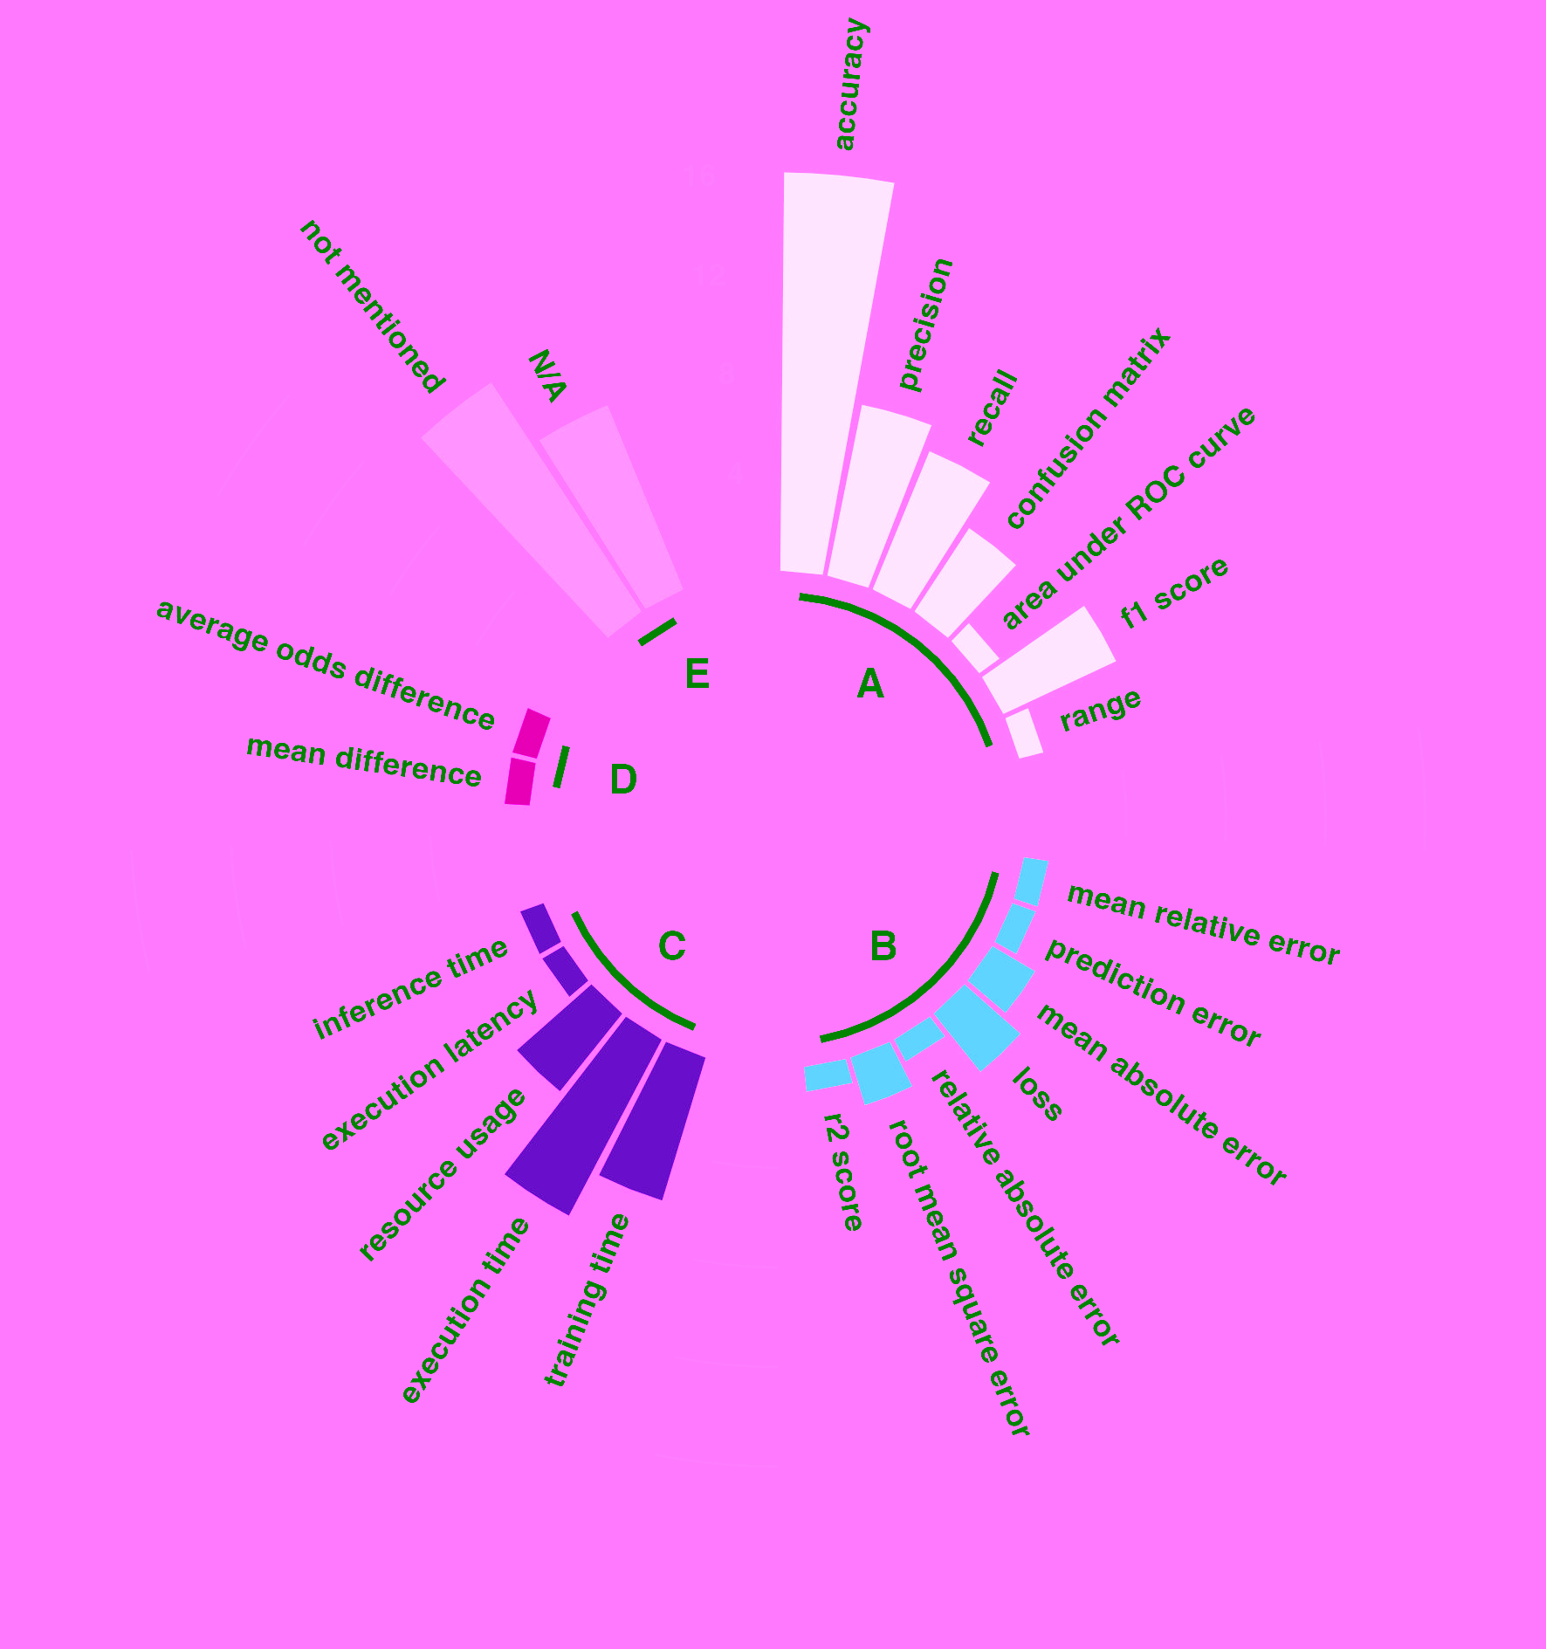
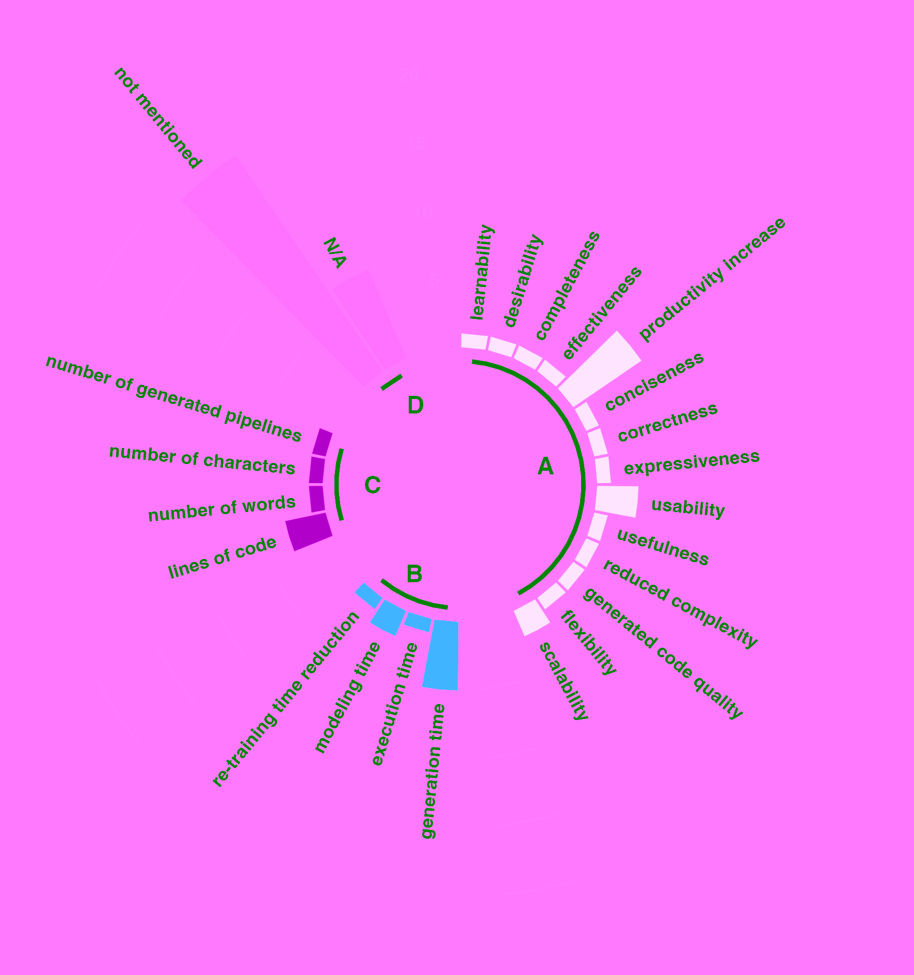

Eval metric super type | Evaluation Metric | Count | Studies |  |  |  |  |  |  | Eval metric super type | Evaluation Metric | Count | Studies
Classification metrics | accuracy | 16 | P1, P2, P7, P9, P11, P13, P16, P17, P22, P23, P27, P34, P37, P38, P39, P44 |  |  |  |  |  |  | Quality metrics | learnability | 1 | P35
 | precision | 7 | P1, P4, P9, P13, P22, P27, P44 |  |  |  |  |  |  |  | desirability | 1 | P35
 | recall | 6 | P1, P3, P4, P9, P22, P27 |  |  |  |  |  |  |  | completeness | 1 | P33
 | confusion matrix | 4 | P4, P7, P27, P39 |  |  |  |  |  |  |  | effectiveness | 1 | P30
 | area under ROC curve | 1 | P16 |  |  |  |  |  |  |  | reduced effort/ increased productivity | 6 | P25, P30, P31, P37, P38, P41
 | f1 score | 5 | P13, P22, P27, P34, P38 |  |  |  |  |  |  |  | conciseness | 0 | #N/A
 | range | 1 | P1 |  |  |  |  |  |  |  | correctness | 1 | P4
Regression metrics | mean relative error | 1 | P37 |  |  |  |  |  |  |  | expressiveness | 1 | P10
 | prediction error | 1 | P31 |  |  |  |  |  |  |  | usability | 3 | P10, P24, P35
 | mean absolute error | 2 | P12, P31 |  |  |  |  |  |  |  | usefulness | 1 | P10
 | loss | 3 | P1, P13, P39 |  |  |  |  |  |  |  | reduced complexity | 1 | P10
 | relative absolute error | 1 | P45 |  |  |  |  |  |  |  | generated code quality | 1 | P17
 | root mean square error | 2 | P31, P45 |  |  |  |  |  |  |  | flexibility | 1 | P19
 | r2 score | 1 | P13 |  |  |  |  |  |  |  | scalability | 2 | P19, P44
Time & resource metrics | training time | 6 | P9, P12, P22, P37, P38, P44 |  |  |  |  |  |  | Time and resource metrics | generation time | 5 | P2, P25, P37, P38, P45
 | execution time | 8 | P13, P19, P23, P25, P41, P42, P44, P46 |  |  |  |  |  |  |  | execution time | 1 | P2
 | resource usage | 4 | P19, P25, P42, P44 |  |  |  |  |  |  |  | modeling time | 2 | P25, P45
 | execution latency | 1 | P13 |  |  |  |  |  |  |  | re-training time reduction | 1 | P12
 | inference time | 1 | P44 |  |  |  |  |  |  | Code metrics | lines of code | 4 | P2, P28, P30, P40
Fairness metrics | mean difference | 1 | P2 |  |  |  |  |  |  |  | number of words | 1 | P28
 | average odds difference | 1 | P2 |  |  |  |  |  |  |  | number of characters | 1 | P28
No metrics for study | not mentioned | 10 | P14, P15, P20, P24, P29, P30, P33, P35, P36, P40 |  |  |  |  |  |  |  | number of generated pipelines | 1 | P16
 | N/A | 9 | P5, P6, P8, P10, P18, P21, P26, P32, P43 | A) Classification metrics B) Regression metrics C) Time and resource metrics D) Fairness metrics E) No metrics |  |  |  |  |  | No metrics | not mentioned | 18 | P1, P3, P7, P9, P11, P13, P14, P15, P20, P22, P23, P27, P29, P34, P36, P39, P42, P46 | A) Quality metrics B) Time and resource metrics C) Code metrics D) No metrics
 |  |  |  |  |  |  |  |  |  |  | N/A | 8 | P5, P6, P8, P18, P21, P26, P32, P43

 |  |  |  |  |  |  | What are the modeling frameworks, meta-tools and transformers used in the studies? |  |  |  | What are the ML frameworks/libraries used in the studies? |  |  | Is the MDE approach in the study scalable?

 |  |  |  |  |  |  | Modeling frameworks, tools and transformers |  | Studies |  | ML frameworks/ libraries | Studies |  | Scalability | Count | Studies
 |  |  |  |  |  |  | Modeling framework | Eclipse modeling framework (EMF) | P1, P2, P4, P6, P7, P9, P14, P22, P27, P28, P30, P32, P33, P34, P37 |  | AI-toolbox | P40 |  | Yes | 10 | P9, P13, P16, P19, P23, P30, P33, P37, P41, P44
 |  |  |  |  |  |  |  | Langium | P10 |  | Caffe | P8, P11, P12 |  | No | 2 | P14, P39
 |  |  |  |  |  |  |  | MontiAnna/MontiArc framework | P5, P8, P11, P12 |  | Deep Learning for Java (DL4J) | P4 |  | Not mentioned | 34 | P1, P2, P3, P4, P5, P6, P7, P8, P10, P11, P12, P15, P17, P18, P20, P21, P22, P24, P25, P26, P27, P28, P29, P31, P32, P34, P35, P36, P38, P40, P42, P43, P45, P46
 |  |  |  |  |  |  |  | xText | P9, P22, P27, P28, P39 |  | Encog | P20, P28
 |  |  |  |  |  |  |  | Generic Modeling Environment (GME) | P13, P36 |  | Infer.NET | P17, P21
 |  |  |  |  |  |  |  | JastAdd | P20 |  | Keras | P1, P22
 |  |  |  |  |  |  |  | GreyCat (extension of Kevoree modeling framework) | P23 |  | MXNET | P5, P8, P11, P12
 |  |  |  |  |  |  |  | PyEcore | P25, P38 |  | Neuroph | P7
 |  |  |  |  |  |  |  | Meta object facility (MOF) framework | P17 |  | NetLogo for Reinforcement Learning | P30
 |  |  |  |  |  |  |  | i* framework | P18 |  | NumPy | P35, P37, P44
 |  |  |  |  |  |  |  | SyncMeta | P24 |  | OpenAI Gym | P18
 |  |  |  |  |  |  |  | Kernel meta meta model (KM3) framework | P29 |  | Pandas | P17, P35
 |  |  |  |  |  |  |  | CINCO framework | P32 |  | PyTorch | P6, P25, P37
 |  |  |  |  |  |  |  | OPC Unified Achitecture (UA) framework | P45 |  | Scikit-learn | P13, P22, P35
Datasets used for evaluation in the study |  |  |  |  |  |  |  | not mentioned | P3, P15, P16, P19, P21, P26, P31, P35, P40, P41, P42, P43, P44, P46 |  | Tensorflow | P5, P6, P8, P11, P12, P13, P22, P24, P31
 |  |  |  |  |  |  | Meta tool | Sirius | P1, P7, P9, P14, P25, P27, P30, P34, P37, P38 |  | Tensorflow Lite | P9
 |  |  |  |  |  |  |  | MetaEdit+ | P35 |  | Weka | P16, P34, P36, P45
Table 23 |  |  |  |  |  |  |  | MontiArc/MontiAnna | P5, P8, P11, P12 |  | ZenML | P37
Paper ID? | What are the datasets used for evaluation? |  |  |  |  |  |  | Langium Workbench | P10 |  | not mentioned | P2, P3, P10, P14, P15, P19, P23, P26, P27, P29, P32, P33, P38, P39, P41, P42, P43, P46
P1 | German Traffic Sign Recognition Benchmark (GTSRB) dataset, open-source US Army Night Vision and Electronic Sensors Directorate (NVESD) dataset |  |  |  |  |  |  | WebGME | P13
P2 | Adult dataset |  |  |  |  |  |  | Papyrus | P17, P33
P3 | dataset not mentioned |  |  |  |  |  |  | SyncMeta | P24
P4 | not clearly mentioned maybe MNIST, Iris dataset, and TinyImageNet |  |  |  |  |  |  | Flexmi | P2, P6
P5 | N/A |  |  |  |  |  |  | TouchCore | P4
P6 | N/A |  |  |  |  |  |  | IntelliJ IDE | P23
P7 | Pima Indians Diabetes dataset, Iris flower dataset |  |  |  |  |  |  | Eclipse IDE | P22, P28, P29, P39
P8 | N/A |  |  |  |  |  |  | Deep Learning Lifecycle Data Management (DL LDM) tool | P26
P9 | open sensor data from a hydraulic test rig deployed in Saarbrucken, Germany |  |  |  |  |  |  | CINCO Workbench | P32
P10 | The Gender Inclusive Coreference dataset, Movie Reviews Polarity dataset, SIIM-ISIC Melanoma Classification dataset |  |  |  |  |  |  | Pyro | P32 |  | Build automation, deployment and configuration | Maven | P11, P12
P11 | MNIST, Book_corpus_wiki_en_uncased dataset provided by GluonNLP |  |  |  |  |  |  | OPC Unified Architecture (UA) modeler | P45 |  |  | Docker | P13
P12 | industrial case study |  |  |  |  |  |  | not mentioned | P3, P15, P16, P18, P19, P20, P21, P31, P36, P40, P41, P42, P43, P44, P46 |  |  | Kubernetes | P6, P37
P13 | sentiment analysis of Twitter data stream (Evaluation of Rapid Application prototyping Framework), CIFAR10 (Performance Monitoring on Heterogeneous Hardware) |  |  |  |  |  | Model transformation/ generation language | Acceleo | P1, P27, P34 |  |  | not used in study | P1, P2, P3, P4, P5, P7, P8, P9, P10, P14, P15, P16, P17, P18, P19, P20, P21, P22, P23, P24, P26, P28, P29, P30, P31, P32, P33, P34, P35, P36, P39, P40, P41, P42, P43, P44, P46
P14 | five-segments digits dataset (MNIST) |  |  |  |  |  |  | XTend | P9, P14, P22, P28, P39
P15 | evaluated in an industrial project using information sources (visual (Sckit-learn, 2019; Microsoft, 2019)) textual (e.g., (Dataiku, 2019))) and more |  |  |  |  |  |  | Epsilon Generation Language (EGL) | P2, P6, P7, P17
P16 | speed-dating, iris and texture dataset |  |  |  |  |  |  | Atlas Transformation language (ATL) | P25, P29, P30
P17 | play-by play pitching statistics from the 2016 and 2017 MLB seasons of the Cincinnati Reds, New York Yankees, New York Mets, and Toronto Blue Jays. |  |  |  |  |  |  | Xpand language | P30
P18 | N/A |  |  |  |  |  |  | ENLIL | P3
P19 | dataset not mentioned |  |  |  |  |  |  | MontiAnna/MontiArc generators and extensions | P5, P8, P11, P12
P20 | dataset not mentioned |  |  |  |  |  |  | TouchCore | P4
P21 | N/A |  |  |  |  |  |  | Langium | P10
P22 | REFIT House/Building 1 dataset, a single-family dwelling with two inhabitants (a couple). |  |  |  |  |  |  | Apache Velocity | P23
P23 | publicly available smart meter data from households in London |  |  |  |  |  |  | ANTLR | P28
P24 | N/A |  |  |  |  |  |  | OPC Unified Architecture (UA) code generator | P45
P25 | dataset not mentioned |  |  |  |  |  |  | JastAdd | P20
P26 | N/A |  |  |  |  |  |  | not mentioned | P13, P15, P16, P18, P19, P21, P24, P26, P31, P32, P33, P35, P36, P37, P38, P40, P41, P42, P43, P44, P46
P27 | A dataset of confirmed COVID-19 cases from the Public Health France, (Sante publique France, 2021) repository |  |  |  |  |  | Model Validation and Execution | Epsilon Validation Language (EVL) | P7
P28 | N/A |  |  |  |  |  |  | Alloy | P14
P29 | dataset not mentioned |  |  |  |  |  |  | Object Constraint Language (OCL) | P25
P30 | N/A |  |  |  |  |  |  | DTGolog | P18
P31 | N/A
P32 | N/A
P33 | industrial case study
P34 | 30 datasets from Moodle and 61 datasets from UCI repository
P35 | Ames housing dataset and industrial case study
P36 | milling machine data from another research paper - A generalized data-driven energy prediction model with uncertainty for a milling machine tool using Gaussian Process
P37 | yoga pose determination (classification) MNIST (classification), service demand prediction in telco networks (regression)
P38 | Kraggle
P39 | MNIST
P40 | N/A
P41 | dataset not mentioned
P42 | not clearly mentioned in experiments, maybe MNIST
P43 | N/A
P44 | MNIST and STL-10
P45 | N/A
P46 | N/A

RQ4 Limitations & Challenges
 | Limitations not mentioned in papers | 19 | P3, P5, P7, P8, P11, P16, P18, P26, P27, P29, P31, P33, P37, P40, P41, P42, P43, P44, P46
 | Future work not mentioned in papers | 7 | P5, P11, P13, P26, P29, P41, P44

Limitation | Sub - Limitation | Count | All Papers | Mentioned in Paper | Not mentioned in Paper | Paper ID | Limitaion | Future Challenges | Future challenge details
Limitations in Evaluation | No user study | 42 | All studies except P10, P22, P24, P35 | P17, P28, P30 | All studies except P10, P17, P22, P24,P28, P30, P35 | P1 | Scalability unclear
 | No evaluation | 8 | P5, P6, P8, P18, P21, P26, P32, P43 | P18 | P5, P6, P8, P21, P26, P43 | P1 | No usability study | generation of hardware code | more platform support
 | No ML evaluation | 9 | P14, P15, P20, P24, P29, P30, P33, P35, P40 |  | P14, P15, P20, P24, P29, P30, P33, P35, P40 | P1 | Ethical/Human requirements ignored | further explore integration with EAST-ADL/AUTOSAR | integration with tools
 | No MDE evaluation | 13 | P1, P3, P7, P9, P11, P13, P22, P23, P27, P34, P39, P42, P46 |  | P1, P3, P7, P9, P11, P13, P22, P23, P27, P34, P39, P42, P46 | P1 | Limited code generation | Add OCL constraints, for detailed transformations
 | Weak evaluation | 14 | P7, P14, P15, P20, P29, P36, P37, P38, P39, P40, P41, P42, P45, P46 |  | P7, P14, P15, P20, P29, P36, P37, P38, P39, P40, P41, P42, P45, P46 | P1 | No industrial evaluation
 | No industrial evaluation | 41 | All studies except P12, P15, P31, P33, P35 |  | All studies except P12, P15, P31, P33, P35 | P2 | No usability study | Optimise generated code | optimize generated code
Limitations in Quality | Scalability unclear | 34 | P1, P2, P3, P4, P5, P6, P7, P8, P10, P11, P12, P15, P17, P18, P20, P21, P22, P24, P25, P26, P27, P28, P29, P31, P32, P34, P35, P36, P38, P40, P42, P43, P45, P46 |  | P1, P2, P3, P4, P5, P6, P7, P8, P10, P11, P12, P15, P17, P18, P20, P21, P22, P24, P25, P26, P27, P28, P29, P31, P32, P34, P35, P36, P38, P40, P42, P43, P45, P46 | P2 | No industrial evaluation
 | difficult to scale | 2 | P14, P39 | P14, P39 |  | P2 | Scalability unclear
 | accessability limitation of tool | 1 | P35 | P35 |  | P3 | Manual configurations required | Increase robustness of ML component, consider more complex scenarios | consider complex scenarios (robustness)
 | Ethical/Human requirements ignored | 37 | All studies except P2, P3, P7, P10, P27, P31, P33, P35, P45 |  | All studies except P2, P3, P7, P10, P27, P31, P33, P35, P45 | P3 | Training data not considered
Limitations in Approach | Manual configurations required | 10 | P3, P14, P19, P20, P22, P24, P35, P36, P39, P45 | P19, P20, P22, P24, P36, P39 | P3, P14, P35, P45 | P3 | No industrial evaluation
 | significant manual effort required in modeling etc | 4 | P15, P21, P32, P34 | P15, P21, | P34 (knowledge base creation) | P3 | No usability study
 | unclear which ML models are supported | 7 | P12, P24, P25, P27, P35, P38, P40 |  | P12, P24, P25, P27, P35, P38, P40 |  | Scalability unclear
 | Training data not considered | 9 | P3, P18, P19, P29, P30, P31, P40, P41, P43 |  | P3, P18, P19, P29, P30, P31, P40, P41, P43 | P4 | library dependent | extenstion to include more features/broader scope
 | library dependent | 2 | P4, P21 | P21 | P4 | P4 | No industrial evaluation | support for partial ML pipeline | add more features
 | approach lacks rigour | 10 | P26, P27, P28, P29, P31, P36, P38, P40, P41, P43 |  | P26, P27, P28, P29, P31, P36, P38, P40, P41, P43 | P4 | No usability study
 | single error can defeat the purpose of the approach | 1 | P4 | P4 |  | P4 | Scalability unclear
 |  |  |  |  |  | P4 | Ethical/Human requirements ignored
Future challenge | sub-challenges | Count | Papers |  |  | P4 | single error can defeat the purpose of the approach
Quality Enhancement | optimize generated code | 2 | P2, P33 |  |  | P5 | no evaluation
 | optimal resource allocation | 1 | P37 |  |  | P5 | Scalability unclear
 | enhance scalability | 1 | P40 |  |  | P5 | Ethical/Human requirements ignored
 | add reusability support | 1 | P20 |  |  | P5 | Limited ML algorithms supported
 | adaptability support | 1 | P25 |  |  | P6 | no evaluation | Increase robustness of ML component, consider more complex scenarios | consider complex scenarios (robustness)
 | support for model checking | 1 | P32 |  |  | P6 | Scalability unclear | Increase abstraction | more features
 | interoperability support | 3 | P24, P32, P45 |  |  | P6 | Ethical/Human requirements ignored | extenstion to include more actions/broader scope
 | integration with tools or systems | 5 | P1, P8, P24, P35, P43 |  |  | P6 |  | support to modify deployed ML monitoring systems
Approach Enhancement or Extension | more features ( recommender, autoML, more concepts in meta-model, etc) | 19 | P6, P9, P10, P12, P14, P15, P16, P18, P19, P20, P22, P24, P25, P28, P34, P35, P36, P39, P42 |  |  | P7 | weak evaluation | Model more neural networks | support more ML models
 | more platform support | 5 | P1, P21, P27, P32, P35 |  |  | P7 | no industrial evaluation | add support for code generation into python and R | code generation for more languages
 | code generation for more languages | 4 | P7, P8, P22, P36 |  |  | P7 | no usability study
 | consider complex scenarios (robustness) | 4 | P3, P6, P15, P36 |  |  | P8 | no evaluation | code generators for more languages | code generation for more languages
 | support more ML models | 8 | P7, P22, P23, P30, P33, P34, P37, P45 |  |  | P8 | scalability unclear | integration of analysis tools | integration with tools
 | data processing support | 6 | P9, P13, P14, P17, P22, P34 |  |  | P8 | Ethical/Human requirements ignored
 | build a DSL | 3 | P14, P16, P27 |  |  | P9 | limited data processing supported | evaluation in various scenarios | extend evaluation
 | tool support | 1 | P15 |  |  | P9 | no usability study | add support for collaborative training of ML model | more features
Further Evaluations | perform evaluation | 1 | P18 |  |  | P9 | no industrial evaluation
 | extend evaluation | 13 | P9, P12, P14, P17, P19, P20, P23, P24, P38, P39, P40, P42, P45 |  |  | P10 | scalability unclear | add support for uncertainities in datasets | more features
 | perform user study | 3 | P17, P28, P30 |  |  | P10 |  | support for expressing commercial usage and distribution aspects in datasets
 |  |  |  |  |  | P10 |  | support to describe ML models
 |  |  |  |  |  | P10 |  | reverse engineer datasets from natural language
 |  |  |  |  |  | P11 | no usability study
 |  |  |  |  |  | P11 | no industrial evaluation
 |  |  |  |  |  | P11 | Ethical/Human requirements ignored
 |  |  |  |  |  | P11 | Limited ML algorithms supported
 |  |  |  |  |  | P11 | scalability unclear
 |  |  |  |  |  | P12 | scalability unclear | further evaluation to generalize results | extend evaluation
 |  |  |  |  |  | P12 | unclear which ML models are supported | improve consistency between data and ML models
 |  |  |  |  |  | P12 | Ethical/Human requirements ignored | implement configurable retrain methods | more features
 |  |  |  |  |  | P12 | no usability study
 |  |  |  |  |  | P13 | Limited code generation
 |  |  |  |  |  | P13 | no usability study
 |  |  |  |  |  | P13 | Ethical/Human requirements ignored
 |  |  |  |  |  | P13 | limited data processing supported
 |  |  |  |  |  | P14 | Ethical/Human requirements ignored | Build a textual DSL and synchroniz with the graphical one | build a DSL
 | Limited code generation language/platform supported | 5 | P1, P13, P14, P22, P32 |  |  | P14 | Manual configurations required
 | complex cases not considered (also includes papers with limited or basic concepts only in models) | 4 | P15, P26, P36, P39 |  |  | P14 | weak evaluation
 | limited ML algorithms supported | 12 | P5, P11, P17, P19, P22, P23, P30, P34, P36, P37, P44, P45 |  |  | P14 | no usability study | improve transformations
 |  |  |  |  |  | P14 | not scalable | add support for more functional and non-functional reqs in the meta-model | more features
 |  |  |  |  |  | P14 | Limited code generation | further evaluation | extend evaluation
 |  |  |  |  |  | P14 | limited data processing supported | support for dataset production, assessment and deployment
 |  |  |  |  |  | P15 | complex cases not considered | add tool generation support | tool support
 |  |  |  |  |  | P15 | weak evaluation | extended tracability support | more features
 |  |  |  |  |  | P15 | Ethical/Human requirements ignored | add support for complex cases | consider complex scenarios (robustness)
 |  |  |  |  |  | P15 | no usability study | adding a recommender
 |  |  |  |  |  | P15 | significant manual effort required
 |  |  |  |  |  | P16 | Ethical/Human requirements ignored | adding support for more meta-features, extending constraints expressiveness | more features
 |  |  |  |  |  | P16 | no usability study | automated constraint extraction
 |  |  |  |  |  | P16 |  | build a DSL | build a DSL
 |  |  |  |  |  | P17 | limited data processing supported | improve data processing support
 |  |  |  |  |  | P17 | Ethical/Human requirements ignored | user study | perform user study
 |  |  |  |  |  | P17 | No industrial evaluation | comparison with existing approaches | extend evaluation
 |  |  |  |  |  | P17 | no usability study
 |  |  |  |  |  | P17 | Limited ML algorithms supported
 |  |  |  |  |  | P18 | No evaluation | perform evaluation | perform evaluation
 |  |  |  |  |  | P18 | Scalability unclear | support for continious state spaces | more features
 |  |  |  |  |  | P18 | Ethical/Human requirements ignored
 |  |  |  |  |  | P18 | no usability study
 |  |  |  |  |  | P19 | Manual configurations required | full automation support | more features
 |  |  |  |  |  | P19 | Limited ML algorithms supported | use/evaluation on real-time scanarios | extend evaluation
 |  |  |  |  |  | P19 | Ethical/Human requirements ignored
 |  |  |  |  |  | P19 | No usability study
 |  |  |  |  |  | P20 | weak evaluation | add support for other algorithms like genetic progarmming | more features
 |  |  |  |  |  | P20 | Manual configurations required | more evaluations | extend evaluation
 |  |  |  |  |  | P20 | Scalability unclear | add reusability support | add reusability support
 |  |  |  |  |  | P20 | Ethical/Human requirements ignored
 |  |  |  |  |  | P21 | library dependent | support for more libraries and software packages | more platform support
 |  |  |  |  |  | P21 | significant manual effort required
 |  |  |  |  |  | P21 | No evaluation
 |  |  |  |  |  | P21 | Ethical/Human requirements ignored
 |  |  |  |  |  | P22 | Ethical/Human requirements ignored
 |  |  |  |  |  | P22 | No industrial evaluation
 |  |  |  |  |  | P22 | Scalability unclear
 |  |  |  |  |  | P22 | Manual configurations required | extend approach with AutoML | more features
 |  |  |  |  |  | P22 | limited data processing supported | add support for more data processing
 |  |  |  |  |  | P22 | Limited ML algorithms supported | add support for more ML algorithms | support more ML models
 |  |  |  |  |  | P22 | Limited code generation | add support for more programming languages and platforms | code generation for more languages
 |  |  |  |  |  | P23
 |  |  |  |  |  | P23 | Ethical/Human requirements ignored | evaluating use on more use cases with GPU | extend evaluation
 |  |  |  |  |  | P23 | Limited ML algorithms supported | support for more ML algorithms | support more ML models
 |  |  |  |  |  | P24 | unclear which ML models are supported | more evaluations | extend evaluation
 |  |  |  |  |  | P24 | No industrial evaluation | add features/extend approach | more features
 |  |  |  |  |  | P24 | Scalability unclear | integration with other systems | integration with tools
 |  |  |  |  |  | P24 | Manual configurations required
 |  |  |  |  |  | P24 | Ethical/Human requirements ignored | interoperability support | interoperability support
 |  |  |  |  |  | P25 |  | extend work for anomaly detection with deep learning | more features
 |  |  |  |  |  | P25 | no usability study | support for real time adaptability and reconfigurability | adaptability support
 |  |  |  |  |  | P25 | unclear which ML models are supported | support for optimal algorithm selection
 |  |  |  |  |  | P25 | Ethical/Human requirements ignored
 |  |  |  |  |  | P26 | No evaluation | none mentioned
 |  |  |  |  |  | P26 | Ethical/Human requirements ignored
 |  |  |  |  |  | P26 | complex cases not considered
 |  |  |  |  |  | P26 | approach lacks rigour
 |  |  |  |  |  | P27 | unclear which ML models are supported | textual DSL support | build a DSL
 |  |  |  |  |  | P27 | Scalability unclear | add code generation for more platforms | more platform support
 |  |  |  |  |  | P27 | No industrial evaluation
 |  |  |  |  |  | P27 | unclear if training data is considered
 |  |  |  |  |  | P27 | approach lacks rigour
 |  |  |  |  |  | P28 | prototype only | usability study | perform user study
 |  |  |  |  |  | P28 | approach lacks rigour | add features | more features
 |  |  |  |  |  | P28 | Ethical/Human requirements ignored
 |  |  |  |  |  | P28 | Scalability unclear
 |  |  |  |  |  | P28 | No industrial evaluation
 |  |  |  |  |  | P28 | no usability study
 |  |  |  |  |  | P29 | weak evaluation
 |  |  |  |  |  | P29 | approach lacks rigour | none mentioned
 |  |  |  |  |  | P29 | Ethical/Human requirements ignored
 |  |  |  |  |  | P30 | No industrial evaluation | usability study | perform user study
 |  |  |  |  |  | P30 | Ethical/Human requirements ignored | support for more ML models | support more ML models
 |  |  |  |  |  | P30 | no usability study
 |  |  |  |  |  | P30 | Limited ML algorithms supported
 |  |  |  |  |  | P31 | Scalability unclear | more evaluations | extend evaluations
 |  |  |  |  |  | P31 | approach lacks rigour
 |  |  |  |  |  | P32 | no evaluation
 |  |  |  |  |  | P32 | Scalability unclear
 |  |  |  |  |  | P32 | Limited code generation | support more platforms and programming languages | more platform support
 |  |  |  |  |  | P32 | significant manual effort required | support for model checking | support for model checking
 |  |  |  |  |  | P32 | ethical/Human requirements ignored | interoperability support | interoperability support
 |  |  |  |  |  | P33 |  | optimisation of code | optimize generated code
 |  |  |  |  |  | P33 |  | support for more ML models | support more ML models
 |  |  |  |  |  | P34 | Limited ML algorithms supported | add recommenders | more features
 |  |  |  |  |  | P34 | significant manual effort required | support for more ML models | support more ML models
 |  |  |  |  |  | P34 | Scalability unclear | support for data preprocessing
 |  |  |  |  |  | P34 | No industrial evaluation | development of crowdsourcing techniques for collaboration
 |  |  |  |  |  | P34 | limited data processing supported
 |  |  |  |  |  | P35 | Manual configurations required | web based support | more platform support
 |  |  |  |  |  | P35 | unclear which ML models are supported | recommender support | more features
 |  |  |  |  |  | P35 | accessability limitation of tool | integrations with other tools | integration with tools
 |  |  |  |  |  | P36 | approach lacks rigour
 |  |  |  |  |  | P36 | weak evaluation
 |  |  |  |  |  | P36 | Scalability unclear
 |  |  |  |  |  | P36 | No industrial evaluation | support for more analytical techniques | more features
 |  |  |  |  |  | P36 | Limited ML algorithms supported | extend meta model and add more features
 |  |  |  |  |  | P36 | manual configurations required | support for more translators | code generation for more languages
 |  |  |  |  |  | P36 | complex cases not considered | extend for more complx scenarios | consider complex scenarios (robustness)
 |  |  |  |  |  | P37 | weak evaluation | support for more sophisticted ML mechanisms | support more ML models
 |  |  |  |  |  | P37 | No industrial evaluation | support for optimal resource allocation | optimal resource allocation
 |  |  |  |  |  | P37 | Limited ML algorithms supported
 |  |  |  |  |  | P37 | Ethical/Human requirements ignored
 |  |  |  |  |  | P38 | weak evaluation | more evaluations | extend evaluation
 |  |  |  |  |  | P38 | unclear which ML models are supported
 |  |  |  |  |  | P38 | approach lacks rigour
 |  |  |  |  |  | P38 | Scalability unclear
 |  |  |  |  |  | P39 | complex cases not considered | support for more modeling concepts
 |  |  |  |  |  | P39 | manual configurations required | industrial evaluation | extend evaluation
 |  |  |  |  |  | P39 | not scalable | support for more frameworks
 |  |  |  |  |  | P39 | ethical/Human requirements ignored | add more concepts in the meta model/extend language | more features
 |  |  |  |  |  | P39 | weak evaluation
 |  |  |  |  |  | P39 | No industrial evaluation
 |  |  |  |  |  | P40 | weak evaluation | industrial evaluation | extend evaluation
 |  |  |  |  |  | P40 | unclear which ML models are supported | evaluate scalability | enhance scalability
 |  |  |  |  |  | P40 | approach lacks rigour
 |  |  |  |  |  | P40 | ethical/Human requirements ignored
 |  |  |  |  |  | P40 | No industrial evaluation
 |  |  |  |  |  | P40 | Scalability unclear
 |  |  |  |  |  | P41 | No industrial evaluation | none mentioned
 |  |  |  |  |  | P41 | weak evaluation
 |  |  |  |  |  | P41 | approach lacks rigour
 |  |  |  |  |  | P42 | weak evaluation | more evaluations | extend evaluation
 |  |  |  |  |  | P42 | No industrial evaluation | support for static analysis | more features
 |  |  |  |  |  | P42 | Scalability unclear
 |  |  |  |  |  | P43 | approach lacks rigour | add support for asynchronus extensions and API for graph based analytics | integration with tools
 |  |  |  |  |  | P43 | no evaluation
 |  |  |  |  |  | P43 | Scalability unclear
 |  |  |  |  |  | P44 | No industrial evaluation | none mentioned
 |  |  |  |  |  | P44 | ethical/Human requirements ignored
 |  |  |  |  |  | P44 | Limited ML algorithms supported
 |  |  |  |  |  | P45 | No industrial evaluation | more interoperability support | interoperability support
 |  |  |  |  |  | P45 | Manual configurations required | industrial evaluation | extend evaluation
 |  |  |  |  |  | P45 | Limited ML algorithms supported | support for more ML models | support more ML models
 |  |  |  |  |  | P45 | weak evaluation
 |  |  |  |  |  | P46 | Scalability unclear
 |  |  |  |  |  | P46 | No industrial evaluation | none mentioned
 |  |  |  |  |  | P46 | weak evaluation

